A050856
65 nolu kaide tav grafiği
TARIH | Time | concat | TAV_SICAKLIK_SET | FIRIN | BASE_FAN_FREQ | BASE_BASINC | H2_AKIS | N2_AKIS | O2_ICERIK | DOGAL_GAZ | ColdSpot1 | HotSpot1 | Delta1 | TavTime1 | ColdSpot2 | HotSpot2 | Delta2 | TavTime2 | ColdSpot3 | HotSpot3 | Delta3 | TavTime3
3/17/20 | 20:09:33 | 03/17/2020 20:09 | 255 | 480 | 45 | 452 | 168 | 0 | 99 | 6 | 30 | 30 | 0 |  | 30 | 30 | 0 |  | 30 | 30 | 0
3/17/20 | 20:19:33 | 03/17/2020 20:19 | 263 | 702 | 55 | 421 | 180 | 0 | 38 | 23 | 30 | 131 | 101 | 0:10 | 30 | 122 | 92 | 0:10 | 30 | 119 | 89 | 0:10
3/17/20 | 20:29:33 | 03/17/2020 20:29 | 271 | 608 | 71 | 363 | 295 | 0 | 42 | 32 | 30 | 169 | 139 | 0:20 | 30 | 157 | 127 | 0:20 | 30 | 154 | 124 | 0:20
3/17/20 | 20:39:33 | 03/17/2020 20:39 | 279 | 600 | 75 | 303 | 304 | 0 | 60 | 39 | 31 | 188 | 157 | 0:30 | 31 | 175 | 144 | 0:30 | 32 | 172 | 140 | 0:30
3/17/20 | 20:49:33 | 03/17/2020 20:49 | 287 | 604 | 75 | 269 | 324 | 0 | 58 | 47 | 32 | 204 | 172 | 0:40 | 33 | 191 | 158 | 0:40 | 34 | 187 | 153 | 0:40
3/17/20 | 20:59:33 | 03/17/2020 20:59 | 295 | 604 | 75 | 326 | 287 | 0 | 63 | 54 | 33 | 218 | 185 | 0:50 | 36 | 205 | 169 | 0:50 | 37 | 201 | 164 | 0:50
3/17/20 | 21:09:33 | 03/17/2020 21:09 | 303 | 598 | 75 | 244 | 342 | 0 | 66 | 61 | 36 | 229 | 193 | 1:00 | 40 | 216 | 176 | 1:00 | 42 | 212 | 170 | 1:00
3/17/20 | 21:19:33 | 03/17/2020 21:19 | 311 | 568 | 75 | 320 | 292 | 0 | 77 | 69 | 39 | 239 | 200 | 1:10 | 44 | 226 | 182 | 1:10 | 47 | 222 | 175 | 1:10
3/17/20 | 21:29:33 | 03/17/2020 21:29 | 319 | 598 | 75 | 433 | 128 | 0 | 84 | 76 | 42 | 249 | 207 | 1:20 | 49 | 236 | 187 | 1:20 | 52 | 233 | 181 | 1:20
3/17/20 | 21:39:33 | 03/17/2020 21:39 | 327 | 579 | 75 | 453 | 109 | 0 | 59 | 85 | 46 | 260 | 214 | 1:30 | 54 | 247 | 193 | 1:30 | 58 | 243 | 185 | 1:30
3/17/20 | 21:49:33 | 03/17/2020 21:49 | 335 | 581 | 75 | 447 | 158 | 0 | 96 | 91 | 51 | 267 | 216 | 1:40 | 60 | 254 | 194 | 1:40 | 65 | 251 | 186 | 1:40
3/17/20 | 21:59:33 | 03/17/2020 21:59 | 343 | 595 | 75 | 437 | 153 | 0 | 63 | 100 | 55 | 278 | 223 | 1:50 | 66 | 265 | 199 | 1:50 | 72 | 262 | 190 | 1:50
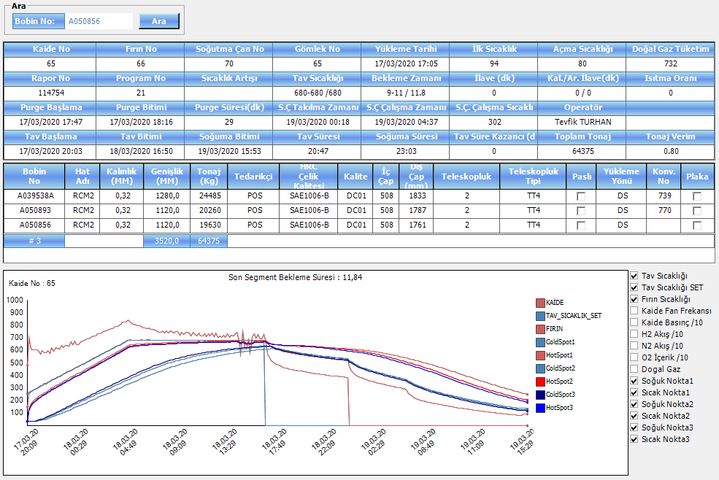
3/17/20 | 22:09:33 | 03/17/2020 22:09 | 351 | 572 | 75 | 404 | 222 | 0 | 90 | 106 | 60 | 285 | 225 | 2:00 | 72 | 272 | 200 | 2:00 | 79 | 269 | 190 | 2:00
3/17/20 | 22:19:33 | 03/17/2020 22:19 | 359 | 621 | 75 | 451 | 159 | 0 | 63 | 115 | 66 | 298 | 232 | 2:10 | 79 | 285 | 206 | 2:10 | 86 | 281 | 195 | 2:10
3/17/20 | 22:29:33 | 03/17/2020 22:29 | 367 | 588 | 75 | 464 | 144 | 0 | 59 | 122 | 71 | 305 | 234 | 2:20 | 85 | 292 | 207 | 2:20 | 93 | 289 | 196 | 2:20
3/17/20 | 22:39:33 | 03/17/2020 22:39 | 375 | 621 | 75 | 447 | 153 | 0 | 67 | 129 | 77 | 315 | 238 | 2:30 | 92 | 302 | 210 | 2:30 | 100 | 298 | 198 | 2:30
3/17/20 | 22:49:33 | 03/17/2020 22:49 | 383 | 613 | 75 | 446 | 150 | 0 | 67 | 137 | 83 | 324 | 241 | 2:40 | 99 | 311 | 212 | 2:40 | 108 | 308 | 200 | 2:40
3/17/20 | 22:59:33 | 03/17/2020 22:59 | 391 | 605 | 75 | 448 | 144 | 0 | 65 | 144 | 89 | 331 | 242 | 2:50 | 106 | 318 | 212 | 2:50 | 116 | 314 | 198 | 2:50
3/17/20 | 23:09:33 | 03/17/2020 23:09 | 399 | 635 | 75 | 455 | 143 | 0 | 65 | 152 | 95 | 341 | 246 | 3:00 | 114 | 328 | 214 | 3:00 | 123 | 324 | 201 | 3:00
3/17/20 | 23:19:33 | 03/17/2020 23:19 | 407 | 619 | 75 | 447 | 148 | 0 | 64 | 160 | 101 | 349 | 248 | 3:10 | 121 | 336 | 215 | 3:10 | 131 | 333 | 202 | 3:10
3/17/20 | 23:29:33 | 03/17/2020 23:29 | 415 | 637 | 75 | 453 | 156 | 0 | 67 | 168 | 108 | 357 | 249 | 3:20 | 128 | 344 | 216 | 3:20 | 139 | 341 | 202 | 3:20
3/17/20 | 23:39:33 | 03/17/2020 23:39 | 423 | 637 | 75 | 467 | 155 | 0 | 68 | 176 | 114 | 366 | 252 | 3:30 | 135 | 353 | 218 | 3:30 | 146 | 350 | 204 | 3:30
3/17/20 | 23:49:33 | 03/17/2020 23:49 | 431 | 632 | 75 | 468 | 157 | 0 | 71 | 183 | 121 | 373 | 252 | 3:40 | 143 | 360 | 217 | 3:40 | 154 | 357 | 203 | 3:40
3/17/20 | 23:59:33 | 03/17/2020 23:59 | 439 | 663 | 75 | 477 | 143 | 0 | 67 | 192 | 127 | 384 | 257 | 3:50 | 150 | 371 | 221 | 3:50 | 162 | 367 | 205 | 3:50
3/18/20 | 0:09:33 | 03/18/2020 00:09 | 446 | 645 | 75 | 467 | 151 | 0 | 67 | 200 | 134 | 391 | 257 | 4:00 | 157 | 378 | 221 | 4:00 | 170 | 375 | 205 | 4:00
3/18/20 | 0:19:33 | 03/18/2020 00:19 | 455 | 672 | 75 | 398 | 236 | 0 | 57 | 208 | 140 | 401 | 261 | 4:10 | 165 | 388 | 223 | 4:10 | 177 | 385 | 208 | 4:10
3/18/20 | 0:29:33 | 03/18/2020 00:29 | 462 | 643 | 75 | 319 | 286 | 0 | 40 | 216 | 147 | 407 | 260 | 4:20 | 172 | 394 | 222 | 4:20 | 185 | 391 | 206 | 4:20
3/18/20 | 0:39:33 | 03/18/2020 00:39 | 470 | 644 | 75 | 315 | 306 | 0 | 37 | 222 | 154 | 413 | 259 | 4:30 | 179 | 400 | 221 | 4:30 | 193 | 397 | 204 | 4:30
3/18/20 | 0:49:33 | 03/18/2020 00:49 | 478 | 663 | 75 | 326 | 314 | 0 | 51 | 229 | 160 | 421 | 261 | 4:40 | 187 | 409 | 222 | 4:40 | 200 | 405 | 205 | 4:40
3/18/20 | 0:59:33 | 03/18/2020 00:59 | 486 | 669 | 75 | 333 | 304 | 0 | 56 | 237 | 167 | 430 | 263 | 4:50 | 194 | 418 | 224 | 4:50 | 208 | 414 | 206 | 4:50
3/18/20 | 1:09:33 | 03/18/2020 01:09 | 494 | 676 | 75 | 340 | 300 | 0 | 51 | 244 | 174 | 439 | 265 | 5:00 | 201 | 426 | 225 | 5:00 | 215 | 423 | 208 | 5:00
3/18/20 | 1:19:33 | 03/18/2020 01:19 | 502 | 688 | 75 | 346 | 302 | 0 | 57 | 252 | 180 | 448 | 268 | 5:10 | 209 | 435 | 226 | 5:10 | 223 | 432 | 209 | 5:10
3/18/20 | 1:29:33 | 03/18/2020 01:29 | 510 | 689 | 75 | 344 | 302 | 0 | 52 | 259 | 187 | 456 | 269 | 5:20 | 216 | 443 | 227 | 5:20 | 230 | 440 | 210 | 5:20
3/18/20 | 1:39:33 | 03/18/2020 01:39 | 518 | 694 | 75 | 344 | 300 | 0 | 55 | 267 | 194 | 464 | 270 | 5:30 | 223 | 451 | 228 | 5:30 | 238 | 448 | 210 | 5:30
3/18/20 | 1:49:33 | 03/18/2020 01:49 | 526 | 707 | 75 | 347 | 300 | 0 | 52 | 275 | 200 | 473 | 273 | 5:40 | 230 | 460 | 230 | 5:40 | 245 | 457 | 212 | 5:40
3/18/20 | 1:59:33 | 03/18/2020 01:59 | 534 | 712 | 75 | 340 | 300 | 0 | 53 | 283 | 207 | 482 | 275 | 5:50 | 237 | 469 | 232 | 5:50 | 253 | 465 | 212 | 5:50
3/18/20 | 2:09:33 | 03/18/2020 02:09 | 542 | 713 | 75 | 344 | 303 | 0 | 53 | 291 | 214 | 489 | 275 | 6:00 | 245 | 477 | 232 | 6:00 | 260 | 473 | 213 | 6:00
3/18/20 | 2:19:33 | 03/18/2020 02:19 | 550 | 728 | 75 | 345 | 302 | 0 | 53 | 300 | 221 | 499 | 278 | 6:10 | 252 | 486 | 234 | 6:10 | 268 | 482 | 214 | 6:10
3/18/20 | 2:29:33 | 03/18/2020 02:29 | 558 | 732 | 75 | 344 | 303 | 0 | 55 | 308 | 227 | 507 | 280 | 6:20 | 259 | 495 | 236 | 6:20 | 275 | 491 | 216 | 6:20
3/18/20 | 2:39:33 | 03/18/2020 02:39 | 566 | 734 | 75 | 337 | 300 | 0 | 56 | 317 | 234 | 515 | 281 | 6:30 | 266 | 502 | 236 | 6:30 | 282 | 499 | 217 | 6:30
3/18/20 | 2:49:33 | 03/18/2020 02:49 | 574 | 747 | 75 | 327 | 292 | 0 | 54 | 325 | 241 | 524 | 283 | 6:40 | 273 | 511 | 238 | 6:40 | 290 | 507 | 217 | 6:40
3/18/20 | 2:59:33 | 03/18/2020 02:59 | 582 | 752 | 75 | 322 | 292 | 0 | 52 | 334 | 247 | 533 | 286 | 6:50 | 280 | 520 | 240 | 6:50 | 297 | 516 | 219 | 6:50
3/18/20 | 3:09:33 | 03/18/2020 03:09 | 590 | 759 | 75 | 313 | 301 | 0 | 51 | 343 | 254 | 541 | 287 | 7:00 | 287 | 529 | 242 | 7:00 | 304 | 525 | 221 | 7:00
3/18/20 | 3:19:33 | 03/18/2020 03:19 | 598 | 764 | 75 | 311 | 299 | 0 | 51 | 353 | 261 | 550 | 289 | 7:10 | 295 | 537 | 242 | 7:10 | 312 | 533 | 221 | 7:10
3/18/20 | 3:29:33 | 03/18/2020 03:29 | 606 | 773 | 75 | 316 | 314 | 0 | 49 | 362 | 267 | 559 | 292 | 7:20 | 302 | 546 | 244 | 7:20 | 319 | 542 | 223 | 7:20
3/18/20 | 3:39:33 | 03/18/2020 03:39 | 614 | 770 | 75 | 335 | 306 | 0 | 53 | 371 | 274 | 566 | 292 | 7:30 | 309 | 553 | 244 | 7:30 | 326 | 549 | 223 | 7:30
3/18/20 | 3:49:33 | 03/18/2020 03:49 | 622 | 790 | 75 | 334 | 301 | 0 | 47 | 381 | 281 | 575 | 294 | 7:40 | 316 | 563 | 247 | 7:40 | 333 | 558 | 225 | 7:40
3/18/20 | 3:59:33 | 03/18/2020 03:59 | 630 | 790 | 75 | 325 | 297 | 0 | 49 | 390 | 287 | 584 | 297 | 7:50 | 323 | 571 | 248 | 7:50 | 341 | 567 | 226 | 7:50
3/18/20 | 4:09:33 | 03/18/2020 04:09 | 638 | 792 | 75 | 332 | 299 | 0 | 53 | 400 | 294 | 591 | 297 | 8:00 | 330 | 579 | 249 | 8:00 | 348 | 574 | 226 | 8:00
3/18/20 | 4:19:33 | 03/18/2020 04:19 | 645 | 808 | 75 | 363 | 273 | 0 | 50 | 410 | 301 | 600 | 299 | 8:10 | 337 | 588 | 251 | 8:10 | 355 | 583 | 228 | 8:10
3/18/20 | 4:29:33 | 03/18/2020 04:29 | 653 | 820 | 75 | 371 | 230 | 0 | 50 | 420 | 307 | 610 | 303 | 8:20 | 344 | 598 | 254 | 8:20 | 362 | 593 | 231 | 8:20
3/18/20 | 4:39:33 | 03/18/2020 04:39 | 662 | 821 | 75 | 358 | 236 | 0 | 52 | 431 | 314 | 619 | 305 | 8:30 | 351 | 606 | 255 | 8:30 | 369 | 601 | 232 | 8:30
3/18/20 | 4:49:33 | 03/18/2020 04:49 | 669 | 823 | 75 | 342 | 256 | 0 | 50 | 441 | 321 | 626 | 305 | 8:40 | 358 | 614 | 256 | 8:40 | 376 | 609 | 233 | 8:40
3/18/20 | 4:59:33 | 03/18/2020 04:59 | 677 | 839 | 75 | 361 | 268 | 0 | 47 | 452 | 327 | 636 | 309 | 8:50 | 365 | 623 | 258 | 8:50 | 383 | 619 | 236 | 8:50
3/18/20 | 5:09:33 | 03/18/2020 05:09 | 680 | 822 | 75 | 365 | 221 | 0 | 60 | 463 | 334 | 641 | 307 | 9:00 | 372 | 629 | 257 | 9:00 | 391 | 624 | 233 | 9:00
3/18/20 | 5:19:33 | 03/18/2020 05:19 | 680 | 813 | 75 | 346 | 245 | 0 | 59 | 471 | 341 | 643 | 302 | 9:10 | 379 | 631 | 252 | 9:10 | 398 | 626 | 228 | 9:10
3/18/20 | 5:29:33 | 03/18/2020 05:29 | 680 | 808 | 75 | 355 | 258 | 0 | 59 | 480 | 347 | 645 | 298 | 9:20 | 386 | 634 | 248 | 9:20 | 405 | 629 | 224 | 9:20
3/18/20 | 5:39:33 | 03/18/2020 05:39 | 680 | 799 | 75 | 370 | 273 | 0 | 58 | 488 | 354 | 647 | 293 | 9:30 | 392 | 636 | 244 | 9:30 | 412 | 631 | 219 | 9:30
3/18/20 | 5:49:33 | 03/18/2020 05:49 | 680 | 793 | 75 | 378 | 257 | 0 | 61 | 495 | 360 | 648 | 288 | 9:40 | 399 | 637 | 238 | 9:40 | 419 | 632 | 213 | 9:40
3/18/20 | 5:59:33 | 03/18/2020 05:59 | 680 | 792 | 75 | 381 | 241 | 0 | 64 | 503 | 367 | 649 | 282 | 9:50 | 406 | 639 | 233 | 9:50 | 426 | 634 | 208 | 9:50
3/18/20 | 6:09:33 | 03/18/2020 06:09 | 680 | 790 | 75 | 372 | 239 | 0 | 63 | 510 | 373 | 651 | 278 | 10:00 | 413 | 641 | 228 | 10:00 | 433 | 636 | 203 | 10:00
3/18/20 | 6:19:33 | 03/18/2020 06:19 | 680 | 777 | 75 | 355 | 237 | 0 | 54 | 516 | 380 | 651 | 271 | 10:10 | 420 | 642 | 222 | 10:10 | 439 | 637 | 198 | 10:10
3/18/20 | 6:29:33 | 03/18/2020 06:29 | 680 | 774 | 75 | 354 | 249 | 0 | 50 | 523 | 386 | 652 | 266 | 10:20 | 426 | 642 | 216 | 10:20 | 446 | 638 | 192 | 10:20
3/18/20 | 6:39:33 | 03/18/2020 06:39 | 680 | 772 | 75 | 361 | 259 | 0 | 49 | 529 | 393 | 653 | 260 | 10:30 | 433 | 644 | 211 | 10:30 | 452 | 639 | 187 | 10:30
3/18/20 | 6:49:33 | 03/18/2020 06:49 | 680 | 774 | 75 | 371 | 263 | 0 | 49 | 535 | 399 | 655 | 256 | 10:40 | 439 | 646 | 207 | 10:40 | 459 | 641 | 182 | 10:40
3/18/20 | 6:59:33 | 03/18/2020 06:59 | 680 | 762 | 75 | 376 | 238 | 0 | 50 | 540 | 405 | 654 | 249 | 10:50 | 445 | 645 | 200 | 10:50 | 465 | 641 | 176 | 10:50
3/18/20 | 7:09:33 | 03/18/2020 07:09 | 680 | 765 | 75 | 352 | 245 | 0 | 51 | 546 | 411 | 655 | 244 | 11:00 | 451 | 646 | 195 | 11:00 | 471 | 642 | 171 | 11:00
3/18/20 | 7:19:33 | 03/18/2020 07:19 | 680 | 761 | 75 | 348 | 244 | 0 | 53 | 550 | 417 | 655 | 238 | 11:10 | 457 | 647 | 190 | 11:10 | 477 | 643 | 166 | 11:10
3/18/20 | 7:29:33 | 03/18/2020 07:29 | 680 | 754 | 75 | 370 | 239 | 0 | 67 | 555 | 423 | 655 | 232 | 11:20 | 463 | 647 | 184 | 11:20 | 482 | 643 | 161 | 11:20
3/18/20 | 7:39:33 | 03/18/2020 07:39 | 680 | 742 | 75 | 340 | 253 | 0 | 31 | 560 | 429 | 655 | 226 | 11:30 | 469 | 647 | 178 | 11:30 | 488 | 643 | 155 | 11:30
3/18/20 | 7:49:33 | 03/18/2020 07:49 | 680 | 743 | 75 | 357 | 242 | 0 | 64 | 565 | 434 | 655 | 221 | 11:40 | 474 | 647 | 173 | 11:40 | 493 | 643 | 150 | 11:40
3/18/20 | 7:59:33 | 03/18/2020 07:59 | 680 | 755 | 75 | 358 | 257 | 0 | 49 | 569 | 440 | 657 | 217 | 11:50 | 479 | 649 | 170 | 11:50 | 499 | 645 | 146 | 11:50
3/18/20 | 8:09:33 | 03/18/2020 08:09 | 680 | 733 | 75 | 371 | 256 | 0 | 51 | 574 | 445 | 657 | 212 | 12:00 | 485 | 649 | 164 | 12:00 | 504 | 645 | 141 | 12:00
3/18/20 | 8:19:33 | 03/18/2020 08:19 | 680 | 753 | 75 | 387 | 245 | 0 | 47 | 578 | 451 | 658 | 207 | 12:10 | 490 | 651 | 161 | 12:10 | 508 | 647 | 139 | 12:10
3/18/20 | 8:29:33 | 03/18/2020 08:29 | 680 | 738 | 75 | 359 | 245 | 0 | 44 | 582 | 456 | 659 | 203 | 12:20 | 495 | 652 | 157 | 12:20 | 513 | 647 | 134 | 12:20
3/18/20 | 8:39:33 | 03/18/2020 08:39 | 680 | 753 | 75 | 357 | 243 | 0 | 48 | 586 | 461 | 661 | 200 | 12:30 | 499 | 654 | 155 | 12:30 | 518 | 649 | 131 | 12:30
3/18/20 | 8:49:33 | 03/18/2020 08:49 | 680 | 750 | 75 | 346 | 248 | 0 | 50 | 590 | 466 | 662 | 196 | 12:40 | 504 | 655 | 151 | 12:40 | 522 | 651 | 129 | 12:40
3/18/20 | 8:59:33 | 03/18/2020 08:59 | 680 | 735 | 75 | 387 | 203 | 0 | 74 | 594 | 470 | 661 | 191 | 12:50 | 508 | 654 | 146 | 12:50 | 526 | 650 | 124 | 12:50
3/18/20 | 9:09:33 | 03/18/2020 09:09 | 680 | 747 | 75 | 424 | 192 | 0 | 63 | 598 | 475 | 663 | 188 | 13:00 | 513 | 656 | 143 | 13:00 | 530 | 651 | 121 | 13:00
3/18/20 | 9:19:33 | 03/18/2020 09:19 | 680 | 746 | 75 | 432 | 144 | 0 | 62 | 602 | 480 | 664 | 184 | 13:10 | 517 | 657 | 140 | 13:10 | 534 | 653 | 119 | 13:10
3/18/20 | 9:29:33 | 03/18/2020 09:29 | 680 | 720 | 75 | 417 | 148 | 0 | 71 | 606 | 484 | 663 | 179 | 13:20 | 521 | 656 | 135 | 13:20 | 538 | 652 | 114 | 13:20
3/18/20 | 9:39:33 | 03/18/2020 09:39 | 680 | 742 | 75 | 417 | 151 | 0 | 68 | 610 | 489 | 664 | 175 | 13:30 | 525 | 657 | 132 | 13:30 | 542 | 653 | 111 | 13:30
3/18/20 | 9:49:33 | 03/18/2020 09:49 | 680 | 725 | 75 | 406 | 166 | 0 | 64 | 614 | 493 | 664 | 171 | 13:40 | 529 | 657 | 128 | 13:40 | 546 | 653 | 107 | 13:40
3/18/20 | 9:59:33 | 03/18/2020 09:59 | 680 | 741 | 75 | 421 | 175 | 0 | 63 | 618 | 497 | 665 | 168 | 13:50 | 533 | 659 | 126 | 13:50 | 549 | 654 | 105 | 13:50
3/18/20 | 10:09:33 | 03/18/2020 10:09 | 680 | 744 | 75 | 411 | 152 | 0 | 66 | 622 | 501 | 667 | 166 | 14:00 | 537 | 661 | 124 | 14:00 | 553 | 656 | 103 | 14:00
3/18/20 | 10:19:33 | 03/18/2020 10:19 | 680 | 736 | 75 | 433 | 154 | 0 | 72 | 625 | 505 | 667 | 162 | 14:10 | 540 | 661 | 121 | 14:10 | 556 | 656 | 100 | 14:10
3/18/20 | 10:29:33 | 03/18/2020 10:29 | 680 | 710 | 75 | 448 | 146 | 0 | 70 | 628 | 509 | 665 | 156 | 14:20 | 544 | 659 | 115 | 14:20 | 559 | 654 | 95 | 14:20
3/18/20 | 10:39:33 | 03/18/2020 10:39 | 680 | 740 | 75 | 440 | 139 | 0 | 66 | 632 | 513 | 667 | 154 | 14:30 | 547 | 661 | 114 | 14:30 | 562 | 656 | 94 | 14:30
3/18/20 | 10:49:33 | 03/18/2020 10:49 | 680 | 721 | 75 | 422 | 161 | 0 | 50 | 635 | 516 | 667 | 151 | 14:40 | 550 | 661 | 111 | 14:40 | 565 | 656 | 91 | 14:40
3/18/20 | 10:59:33 | 03/18/2020 10:59 | 680 | 715 | 75 | 424 | 162 | 0 | 61 | 638 | 520 | 667 | 147 | 14:50 | 554 | 661 | 107 | 14:50 | 568 | 656 | 88 | 14:50
3/18/20 | 11:09:33 | 03/18/2020 11:09 | 680 | 738 | 75 | 470 | 123 | 0 | 61 | 641 | 524 | 669 | 145 | 15:00 | 557 | 663 | 106 | 15:00 | 571 | 658 | 87 | 15:00
3/18/20 | 11:19:33 | 03/18/2020 11:19 | 680 | 711 | 75 | 436 | 139 | 0 | 55 | 644 | 527 | 668 | 141 | 15:10 | 560 | 662 | 102 | 15:10 | 574 | 657 | 83 | 15:10
3/18/20 | 11:29:33 | 03/18/2020 11:29 | 680 | 712 | 75 | 426 | 116 | 0 | 67 | 647 | 530 | 667 | 137 | 15:20 | 563 | 661 | 98 | 15:20 | 577 | 657 | 80 | 15:20
3/18/20 | 11:39:33 | 03/18/2020 11:39 | 680 | 730 | 75 | 452 | 100 | 0 | 82 | 650 | 534 | 669 | 135 | 15:30 | 566 | 663 | 97 | 15:30 | 579 | 658 | 79 | 15:30
3/18/20 | 11:49:33 | 03/18/2020 11:49 | 680 | 706 | 75 | 461 | 119 | 0 | 75 | 653 | 537 | 668 | 131 | 15:40 | 568 | 663 | 95 | 15:40 | 582 | 658 | 76 | 15:40
3/18/20 | 11:59:33 | 03/18/2020 11:59 | 680 | 731 | 75 | 487 | 88 | 0 | 72 | 656 | 540 | 670 | 130 | 15:50 | 571 | 664 | 93 | 15:50 | 584 | 659 | 75 | 15:50
3/18/20 | 12:09:33 | 03/18/2020 12:09 | 680 | 714 | 75 | 476 | 96 | 0 | 54 | 659 | 543 | 670 | 127 | 16:00 | 574 | 664 | 90 | 16:00 | 586 | 659 | 73 | 16:00
3/18/20 | 12:19:33 | 03/18/2020 12:19 | 680 | 733 | 75 | 479 | 85 | 0 | 58 | 662 | 546 | 672 | 126 | 16:10 | 576 | 666 | 90 | 16:10 | 589 | 661 | 72 | 16:10
3/18/20 | 12:29:33 | 03/18/2020 12:29 | 680 | 707 | 75 | 465 | 97 | 0 | 49 | 665 | 549 | 671 | 122 | 16:20 | 579 | 665 | 86 | 16:20 | 591 | 660 | 69 | 16:20
3/18/20 | 12:39:33 | 03/18/2020 12:39 | 680 | 733 | 75 | 459 | 83 | 0 | 57 | 668 | 552 | 673 | 121 | 16:30 | 581 | 667 | 86 | 16:30 | 593 | 662 | 69 | 16:30
3/18/20 | 12:49:33 | 03/18/2020 12:49 | 680 | 703 | 75 | 445 | 95 | 0 | 46 | 670 | 555 | 672 | 117 | 16:40 | 584 | 666 | 82 | 16:40 | 595 | 660 | 65 | 16:40
3/18/20 | 12:59:33 | 03/18/2020 12:59 | 680 | 710 | 75 | 438 | 112 | 0 | 57 | 673 | 557 | 671 | 114 | 16:50 | 586 | 666 | 80 | 16:50 | 597 | 660 | 63 | 16:50
3/18/20 | 13:09:33 | 03/18/2020 13:09 | 680 | 701 | 75 | 458 | 98 | 0 | 43 | 675 | 560 | 671 | 111 | 17:00 | 588 | 665 | 77 | 17:00 | 599 | 660 | 61 | 17:00
3/18/20 | 13:19:33 | 03/18/2020 13:19 | 680 | 716 | 75 | 481 | 114 | 0 | 51 | 678 | 563 | 672 | 109 | 17:10 | 590 | 666 | 76 | 17:10 | 601 | 661 | 60 | 17:10
3/18/20 | 13:29:33 | 03/18/2020 13:29 | 680 | 700 | 75 | 492 | 104 | 0 | 39 | 680 | 565 | 672 | 107 | 17:20 | 592 | 666 | 74 | 17:20 | 603 | 661 | 58 | 17:20
3/18/20 | 13:39:33 | 03/18/2020 13:39 | 680 | 729 | 75 | 495 | 90 | 0 | 55 | 682 | 568 | 674 | 106 | 17:30 | 595 | 668 | 73 | 17:30 | 605 | 663 | 58 | 17:30
3/18/20 | 13:49:33 | 03/18/2020 13:49 | 680 | 703 | 75 | 477 | 101 | 0 | 46 | 684 | 570 | 674 | 104 | 17:40 | 597 | 668 | 71 | 17:40 | 607 | 662 | 55 | 17:40
3/18/20 | 13:59:33 | 03/18/2020 13:59 | 680 | 720 | 75 | 467 | 173 | 0 | 95 | 687 | 573 | 674 | 101 | 17:50 | 599 | 668 | 69 | 17:50 | 608 | 663 | 55 | 17:50
3/18/20 | 14:09:33 | 03/18/2020 14:09 | 680 | 713 | 75 | 440 | 178 | 0 | 56 | 689 | 575 | 675 | 100 | 18:00 | 600 | 669 | 69 | 18:00 | 610 | 664 | 54 | 18:00
3/18/20 | 14:19:33 | 03/18/2020 14:19 | 680 | 722 | 75 | 403 | 198 | 0 | 32 | 690 | 577 | 677 | 100 | 18:10 | 602 | 670 | 68 | 18:10 | 612 | 665 | 53 | 18:10
3/18/20 | 14:29:33 | 03/18/2020 14:29 | 680 | 741 | 75 | 410 | 204 | 0 | 0 | 692 | 580 | 679 | 99 | 18:20 | 604 | 673 | 69 | 18:20 | 613 | 667 | 54 | 18:20
3/18/20 | 14:39:33 | 03/18/2020 14:39 | 680 | 675 | 75 | 528 | 0 | 0 | 51 | 692 | 582 | 673 | 91 | 18:30 | 606 | 667 | 61 | 18:30 | 615 | 661 | 46 | 18:30
3/18/20 | 14:49:33 | 03/18/2020 14:49 | 680 | 569 | 75 | 495 | 0 | 0 | 207 | 692 | 584 | 660 | 76 | 18:40 | 608 | 657 | 49 | 18:40 | 616 | 653 | 37 | 18:40
3/18/20 | 14:59:33 | 03/18/2020 14:59 | 680 | 745 | 75 | 282 | 318 | 0 | 0 | 699 | 586 | 668 | 82 | 18:50 | 609 | 663 | 54 | 18:50 | 618 | 657 | 39 | 18:50
3/18/20 | 15:09:33 | 03/18/2020 15:09 | 680 | 617 | 75 | 460 | 27 | 0 | 204 | 699 | 588 | 664 | 76 | 19:00 | 611 | 659 | 48 | 19:00 | 619 | 653 | 34 | 19:00
3/18/20 | 15:19:33 | 03/18/2020 15:19 | 680 | 605 | 75 | 482 | 0 | 0 | 210 | 699 | 590 | 655 | 65 | 19:10 | 613 | 652 | 39 | 19:10 | 620 | 648 | 28 | 19:10
3/18/20 | 15:29:33 | 03/18/2020 15:29 | 680 | 686 | 75 | 504 | 27 | 0 | 141 | 706 | 592 | 660 | 68 | 19:20 | 614 | 655 | 41 | 19:20 | 622 | 650 | 28 | 19:20
3/18/20 | 15:39:33 | 03/18/2020 15:39 | 680 | 579 | 75 | 321 | 316 | 0 | 0 | 706 | 594 | 654 | 60 | 19:30 | 616 | 651 | 35 | 19:30 | 623 | 646 | 23 | 19:30
3/18/20 | 15:49:33 | 03/18/2020 15:49 | 680 | 704 | 75 | 386 | 222 | 0 | 116 | 713 | 596 | 661 | 65 | 19:40 | 617 | 656 | 39 | 19:40 | 624 | 650 | 26 | 19:40
3/18/20 | 15:59:33 | 03/18/2020 15:59 | 680 | 731 | 75 | 431 | 215 | 0 | 69 | 717 | 597 | 671 | 74 | 19:50 | 619 | 665 | 46 | 19:50 | 625 | 659 | 34 | 19:50
3/18/20 | 16:09:33 | 03/18/2020 16:09 | 680 | 694 | 75 | 432 | 201 | 0 | 79 | 719 | 599 | 672 | 73 | 20:00 | 620 | 666 | 46 | 20:00 | 626 | 660 | 34 | 20:00
3/18/20 | 16:19:33 | 03/18/2020 16:19 | 680 | 724 | 75 | 402 | 197 | 0 | 74 | 722 | 601 | 675 | 74 | 20:10 | 621 | 668 | 47 | 20:10 | 627 | 662 | 35 | 20:10
3/18/20 | 16:29:33 | 03/18/2020 16:29 | 680 | 696 | 75 | 533 | 21 | 0 | 73 | 725 | 603 | 675 | 72 | 20:20 | 622 | 669 | 47 | 20:20 | 628 | 662 | 34 | 20:20
3/18/20 | 16:39:33 | 03/18/2020 16:39 | 680 | 689 | 75 | 512 | 0 | 0 | 90 | 727 | 604 | 674 | 70 | 20:30 | 623 | 668 | 45 | 20:30 | 629 | 661 | 32 | 20:30
3/18/20 | 16:49:33 | 03/18/2020 16:49 | 680 | 721 | 75 | 432 | 0 | 0 | 79 | 730 | 606 | 676 | 70 | 20:40 | 625 | 670 | 45 | 20:40 | 630 | 664 | 34 | 20:40
3/18/20 | 16:59:33 | 03/18/2020 16:59 | 0 | 684 | 75 | 472 | 22 | 0 | 104 | 732 | 607 | 675 | 68 | 20:50 | 626 | 669 | 43 | 20:50 | 631 | 663 | 32 | 20:50
3/18/20 | 17:09:33 | 03/18/2020 17:09 | 0 | 568 | 75 | 468 | 22 | 0 | 201 | 732 | 609 | 664 | 55 | 21:00 | 627 | 660 | 33 | 21:00 | 632 | 654 | 22 | 21:00
3/18/20 | 17:19:33 | 03/18/2020 17:19 | 0 | 536 | 75 | 472 | 0 | 0 | 208 | 732 | 610 | 656 | 46 | 21:10 | 628 | 654 | 26 | 21:10 | 632 | 650 | 18 | 21:10
3/18/20 | 17:29:33 | 03/18/2020 17:29 | 0 | 517 | 75 | 505 | 0 | 0 | 210 | 732 | 611 | 650 | 39 | 21:20 | 629 | 650 | 21 | 21:20 | 628 | 647 | 19 | 21:20
3/18/20 | 17:39:33 | 03/18/2020 17:39 | 0 | 504 | 75 | 514 | 20 | 0 | 210 | 732 | 613 | 647 | 34 | 21:30 | 627 | 647 | 20 | 21:30 | 621 | 645 | 24 | 21:30
3/18/20 | 17:49:33 | 03/18/2020 17:49 | 0 | 494 | 75 | 504 | 24 | 0 | 210 | 732 | 614 | 643 | 29 | 21:40 | 620 | 645 | 25 | 21:40 | 615 | 643 | 28 | 21:40
3/18/20 | 17:59:33 | 03/18/2020 17:59 | 0 | 484 | 75 | 514 | 20 | 0 | 210 | 732 | 616 | 641 | 25 | 21:50 | 615 | 643 | 28 | 21:50 | 609 | 642 | 33 | 21:50
3/18/20 | 18:09:33 | 03/18/2020 18:09 | 0 | 478 | 75 | 505 | 20 | 0 | 210 | 732 | 613 | 638 | 25 | 22:00 | 610 | 641 | 31 | 22:00 | 604 | 641 | 37 | 22:00
3/18/20 | 18:19:33 | 03/18/2020 18:19 | 0 | 471 | 75 | 516 | 20 | 0 | 210 | 732 | 608 | 636 | 28 | 22:10 | 606 | 640 | 34 | 22:10 | 600 | 640 | 40 | 22:10
3/18/20 | 18:29:33 | 03/18/2020 18:29 | 0 | 465 | 75 | 474 | 21 | 0 | 210 | 732 | 604 | 635 | 31 | 22:20 | 602 | 639 | 37 | 22:20 | 596 | 639 | 43 | 22:20
3/18/20 | 18:39:33 | 03/18/2020 18:39 | 0 | 458 | 75 | 460 | 0 | 0 | 210 | 732 | 600 | 633 | 33 | 22:30 | 598 | 639 | 41 | 22:30 | 592 | 639 | 47 | 22:30
3/18/20 | 18:49:33 | 03/18/2020 18:49 | 0 | 454 | 75 | 458 | 0 | 0 | 210 | 732 | 597 | 632 | 35 | 22:40 | 594 | 638 | 44 | 22:40 | 588 | 638 | 50 | 22:40
3/18/20 | 18:59:33 | 03/18/2020 18:59 | 0 | 452 | 75 | 454 | 21 | 0 | 210 | 732 | 594 | 631 | 37 | 22:50 | 591 | 637 | 46 | 22:50 | 585 | 638 | 53 | 22:50
3/18/20 | 19:09:33 | 03/18/2020 19:09 | 0 | 446 | 75 | 464 | 20 | 0 | 210 | 732 | 590 | 630 | 40 | 23:00 | 588 | 637 | 49 | 23:00 | 582 | 637 | 55 | 23:00
3/18/20 | 19:19:33 | 03/18/2020 19:19 | 0 | 444 | 75 | 499 | 0 | 0 | 210 | 732 | 588 | 629 | 41 | 23:10 | 585 | 636 | 51 | 23:10 | 579 | 637 | 58 | 23:10
3/18/20 | 19:29:33 | 03/18/2020 19:29 | 0 | 439 | 75 | 507 | 0 | 0 | 210 | 732 | 585 | 629 | 44 | 23:20 | 582 | 636 | 54 | 23:20 | 576 | 636 | 60 | 23:20
3/18/20 | 19:39:33 | 03/18/2020 19:39 | 0 | 437 | 75 | 494 | 0 | 0 | 210 | 732 | 582 | 628 | 46 | 23:30 | 579 | 636 | 57 | 23:30 | 573 | 636 | 63 | 23:30
3/18/20 | 19:49:33 | 03/18/2020 19:49 | 0 | 434 | 75 | 495 | 0 | 0 | 210 | 732 | 579 | 627 | 48 | 23:40 | 577 | 635 | 58 | 23:40 | 571 | 635 | 64 | 23:40
3/18/20 | 19:59:33 | 03/18/2020 19:59 | 0 | 431 | 75 | 473 | 22 | 0 | 210 | 732 | 577 | 627 | 50 | 23:50 | 574 | 635 | 61 | 23:50 | 568 | 634 | 66 | 23:50
3/18/20 | 20:09:33 | 03/18/2020 20:09 | 0 | 431 | 75 | 456 | 0 | 0 | 210 | 732 | 575 | 627 | 52 | 0:00 | 572 | 634 | 62 | 0:00 | 566 | 633 | 67 | 0:00
3/18/20 | 20:19:33 | 03/18/2020 20:19 | 0 | 428 | 75 | 468 | 0 | 0 | 210 | 732 | 573 | 626 | 53 | 0:10 | 570 | 634 | 64 | 0:10 | 563 | 632 | 69 | 0:10
3/18/20 | 20:29:33 | 03/18/2020 20:29 | 0 | 425 | 75 | 471 | 0 | 0 | 210 | 732 | 570 | 626 | 56 | 0:20 | 568 | 633 | 65 | 0:20 | 561 | 631 | 70 | 0:20
3/18/20 | 20:39:33 | 03/18/2020 20:39 | 0 | 422 | 75 | 508 | 20 | 0 | 210 | 732 | 568 | 626 | 58 | 0:30 | 565 | 632 | 67 | 0:30 | 559 | 629 | 70 | 0:30
3/18/20 | 20:49:33 | 03/18/2020 20:49 | 0 | 419 | 75 | 514 | 0 | 0 | 210 | 732 | 566 | 626 | 60 | 0:40 | 563 | 631 | 68 | 0:40 | 557 | 628 | 71 | 0:40
3/18/20 | 20:59:33 | 03/18/2020 20:59 | 0 | 417 | 75 | 497 | 0 | 0 | 210 | 732 | 564 | 625 | 61 | 0:50 | 561 | 630 | 69 | 0:50 | 554 | 627 | 73 | 0:50
3/18/20 | 21:09:33 | 03/18/2020 21:09 | 0 | 415 | 75 | 488 | 25 | 0 | 210 | 732 | 562 | 625 | 63 | 1:00 | 559 | 629 | 70 | 1:00 | 552 | 625 | 73 | 1:00
3/18/20 | 21:19:33 | 03/18/2020 21:19 | 0 | 412 | 75 | 479 | 0 | 0 | 210 | 732 | 560 | 625 | 65 | 1:10 | 557 | 628 | 71 | 1:10 | 550 | 624 | 74 | 1:10
3/18/20 | 21:29:33 | 03/18/2020 21:29 | 0 | 410 | 75 | 493 | 20 | 0 | 210 | 732 | 558 | 624 | 66 | 1:20 | 555 | 627 | 72 | 1:20 | 548 | 622 | 74 | 1:20
3/18/20 | 21:39:33 | 03/18/2020 21:39 | 0 | 409 | 75 | 460 | 21 | 0 | 210 | 732 | 556 | 624 | 68 | 1:30 | 553 | 625 | 72 | 1:30 | 546 | 620 | 74 | 1:30
3/18/20 | 21:49:33 | 03/18/2020 21:49 | 0 | 405 | 75 | 453 | 0 | 0 | 210 | 732 | 554 | 623 | 69 | 1:40 | 551 | 624 | 73 | 1:40 | 544 | 619 | 75 | 1:40
3/18/20 | 21:59:33 | 03/18/2020 21:59 | 0 | 402 | 75 | 478 | 23 | 0 | 210 | 732 | 552 | 622 | 70 | 1:50 | 549 | 623 | 74 | 1:50 | 542 | 617 | 75 | 1:50
3/18/20 | 22:09:33 | 03/18/2020 22:09 | 0 | 403 | 75 | 479 | 21 | 0 | 210 | 732 | 550 | 622 | 72 | 2:00 | 547 | 621 | 74 | 2:00 | 540 | 615 | 75 | 2:00
3/18/20 | 22:19:33 | 03/18/2020 22:19 | 0 | 400 | 75 | 457 | 26 | 0 | 210 | 732 | 549 | 621 | 72 | 2:10 | 545 | 620 | 75 | 2:10 | 538 | 613 | 75 | 2:10
3/18/20 | 22:29:33 | 03/18/2020 22:29 | 0 | 397 | 75 | 471 | 0 | 0 | 210 | 732 | 547 | 620 | 73 | 2:20 | 543 | 618 | 75 | 2:20 | 536 | 611 | 75 | 2:20
3/18/20 | 22:39:33 | 03/18/2020 22:39 | 0 | 395 | 75 | 482 | 0 | 0 | 210 | 732 | 545 | 619 | 74 | 2:30 | 542 | 617 | 75 | 2:30 | 534 | 610 | 76 | 2:30
3/18/20 | 22:49:33 | 03/18/2020 22:49 | 0 | 394 | 75 | 489 | 23 | 0 | 210 | 732 | 543 | 618 | 75 | 2:40 | 540 | 615 | 75 | 2:40 | 533 | 608 | 75 | 2:40
3/18/20 | 22:59:33 | 03/18/2020 22:59 | 0 | 392 | 75 | 492 | 0 | 0 | 210 | 732 | 542 | 617 | 75 | 2:50 | 538 | 614 | 76 | 2:50 | 531 | 606 | 75 | 2:50
3/18/20 | 23:09:33 | 03/18/2020 23:09 | 0 | 392 | 75 | 504 | 23 | 0 | 210 | 732 | 540 | 616 | 76 | 3:00 | 536 | 612 | 76 | 3:00 | 529 | 604 | 75 | 3:00
3/18/20 | 23:19:33 | 03/18/2020 23:19 | 0 | 390 | 75 | 469 | 20 | 0 | 210 | 732 | 538 | 615 | 77 | 3:10 | 535 | 611 | 76 | 3:10 | 527 | 602 | 75 | 3:10
3/18/20 | 23:29:33 | 03/18/2020 23:29 | 0 | 388 | 75 | 475 | 21 | 0 | 210 | 732 | 537 | 614 | 77 | 3:20 | 533 | 609 | 76 | 3:20 | 525 | 600 | 75 | 3:20
3/18/20 | 23:39:33 | 03/18/2020 23:39 | 0 | 386 | 75 | 485 | 21 | 0 | 210 | 732 | 535 | 613 | 78 | 3:30 | 531 | 607 | 76 | 3:30 | 524 | 598 | 74 | 3:30
3/18/20 | 23:49:33 | 03/18/2020 23:49 | 0 | 385 | 75 | 495 | 21 | 0 | 210 | 732 | 533 | 612 | 79 | 3:40 | 530 | 606 | 76 | 3:40 | 522 | 596 | 74 | 3:40
3/18/20 | 23:59:33 | 03/18/2020 23:59 | 0 | 383 | 75 | 504 | 0 | 0 | 210 | 732 | 532 | 611 | 79 | 3:50 | 528 | 604 | 76 | 3:50 | 520 | 594 | 74 | 3:50
3/19/20 | 0:09:33 | 03/19/2020 00:09 | 0 | 382 | 75 | 467 | 0 | 0 | 210 | 732 | 530 | 610 | 80 | 4:00 | 526 | 602 | 76 | 4:00 | 518 | 592 | 74 | 4:00
3/19/20 | 0:19:33 | 03/19/2020 00:19 | 0 | 0 | 25 | 450 | 34 | 0 | 0 | 732 | 514 | 608 | 94 | 4:10 | 511 | 601 | 90 | 4:10 | 504 | 590 | 86 | 4:10
3/19/20 | 0:29:33 | 03/19/2020 00:29 | 0 | 0 | 75 | 472 | 30 | 0 | 0 | 732 | 508 | 607 | 99 | 4:20 | 505 | 599 | 94 | 4:20 | 497 | 588 | 91 | 4:20
3/19/20 | 0:39:34 | 03/19/2020 00:39 | 0 | 0 | 75 | 483 | 25 | 0 | 0 | 732 | 496 | 606 | 110 | 4:30 | 494 | 597 | 103 | 4:30 | 487 | 586 | 99 | 4:30
3/19/20 | 0:49:33 | 03/19/2020 00:49 | 0 | 0 | 75 | 507 | 22 | 0 | 0 | 732 | 487 | 605 | 118 | 4:40 | 485 | 596 | 111 | 4:40 | 478 | 585 | 107 | 4:40
3/19/20 | 0:59:33 | 03/19/2020 00:59 | 0 | 0 | 75 | 495 | 21 | 0 | 0 | 732 | 479 | 603 | 124 | 4:50 | 478 | 594 | 116 | 4:50 | 470 | 583 | 113 | 4:50
3/19/20 | 1:09:33 | 03/19/2020 01:09 | 0 | 0 | 75 | 474 | 34 | 0 | 0 | 732 | 472 | 602 | 130 | 5:00 | 470 | 592 | 122 | 5:00 | 463 | 580 | 117 | 5:00
3/19/20 | 1:19:34 | 03/19/2020 01:19 | 0 | 0 | 75 | 495 | 0 | 0 | 0 | 732 | 465 | 601 | 136 | 5:10 | 464 | 590 | 126 | 5:10 | 456 | 578 | 122 | 5:10
3/19/20 | 1:29:33 | 03/19/2020 01:29 | 0 | 0 | 75 | 456 | 22 | 0 | 0 | 732 | 459 | 599 | 140 | 5:20 | 458 | 588 | 130 | 5:20 | 450 | 576 | 126 | 5:20
3/19/20 | 1:39:33 | 03/19/2020 01:39 | 0 | 0 | 75 | 489 | 25 | 0 | 0 | 732 | 454 | 598 | 144 | 5:30 | 453 | 586 | 133 | 5:30 | 445 | 573 | 128 | 5:30
3/19/20 | 1:49:33 | 03/19/2020 01:49 | 0 | 0 | 75 | 468 | 31 | 0 | 0 | 732 | 448 | 596 | 148 | 5:40 | 447 | 583 | 136 | 5:40 | 439 | 571 | 132 | 5:40
3/19/20 | 1:59:33 | 03/19/2020 01:59 | 0 | 0 | 75 | 461 | 28 | 0 | 0 | 732 | 443 | 594 | 151 | 5:50 | 442 | 581 | 139 | 5:50 | 434 | 568 | 134 | 5:50
3/19/20 | 2:09:33 | 03/19/2020 02:09 | 0 | 0 | 75 | 481 | 25 | 0 | 0 | 732 | 439 | 592 | 153 | 6:00 | 437 | 578 | 141 | 6:00 | 429 | 565 | 136 | 6:00
3/19/20 | 2:19:33 | 03/19/2020 02:19 | 0 | 0 | 75 | 505 | 0 | 0 | 0 | 732 | 434 | 590 | 156 | 6:10 | 433 | 575 | 142 | 6:10 | 425 | 562 | 137 | 6:10
3/19/20 | 2:29:33 | 03/19/2020 02:29 | 0 | 0 | 75 | 455 | 24 | 0 | 0 | 732 | 429 | 588 | 159 | 6:20 | 428 | 572 | 144 | 6:20 | 420 | 558 | 138 | 6:20
3/19/20 | 2:39:33 | 03/19/2020 02:39 | 0 | 0 | 75 | 452 | 42 | 0 | 0 | 732 | 425 | 586 | 161 | 6:30 | 424 | 569 | 145 | 6:30 | 416 | 555 | 139 | 6:30
3/19/20 | 2:49:33 | 03/19/2020 02:49 | 0 | 0 | 75 | 502 | 24 | 0 | 0 | 732 | 421 | 583 | 162 | 6:40 | 419 | 565 | 146 | 6:40 | 411 | 551 | 140 | 6:40
3/19/20 | 2:59:33 | 03/19/2020 02:59 | 0 | 0 | 75 | 461 | 0 | 0 | 0 | 732 | 417 | 581 | 164 | 6:50 | 415 | 562 | 147 | 6:50 | 407 | 547 | 140 | 6:50
3/19/20 | 3:09:33 | 03/19/2020 03:09 | 0 | 0 | 75 | 491 | 32 | 0 | 0 | 732 | 413 | 578 | 165 | 7:00 | 411 | 558 | 147 | 7:00 | 403 | 544 | 141 | 7:00
3/19/20 | 3:19:33 | 03/19/2020 03:19 | 0 | 0 | 75 | 458 | 22 | 0 | 0 | 732 | 409 | 575 | 166 | 7:10 | 407 | 554 | 147 | 7:10 | 399 | 540 | 141 | 7:10
3/19/20 | 3:29:33 | 03/19/2020 03:29 | 0 | 0 | 75 | 480 | 0 | 0 | 0 | 732 | 405 | 572 | 167 | 7:20 | 402 | 550 | 148 | 7:20 | 394 | 535 | 141 | 7:20
3/19/20 | 3:39:33 | 03/19/2020 03:39 | 0 | 0 | 75 | 480 | 0 | 0 | 0 | 732 | 401 | 569 | 168 | 7:30 | 399 | 546 | 147 | 7:30 | 390 | 531 | 141 | 7:30
3/19/20 | 3:49:33 | 03/19/2020 03:49 | 0 | 0 | 75 | 493 | 0 | 0 | 0 | 732 | 397 | 566 | 169 | 7:40 | 395 | 542 | 147 | 7:40 | 387 | 527 | 140 | 7:40
3/19/20 | 3:59:33 | 03/19/2020 03:59 | 0 | 0 | 75 | 468 | 21 | 0 | 0 | 732 | 393 | 563 | 170 | 7:50 | 391 | 538 | 147 | 7:50 | 383 | 523 | 140 | 7:50
3/19/20 | 4:09:33 | 03/19/2020 04:09 | 0 | 0 | 75 | 481 | 0 | 0 | 0 | 732 | 390 | 560 | 170 | 8:00 | 387 | 534 | 147 | 8:00 | 379 | 518 | 139 | 8:00
3/19/20 | 4:19:33 | 03/19/2020 04:19 | 0 | 0 | 75 | 480 | 32 | 0 | 0 | 732 | 386 | 557 | 171 | 8:10 | 383 | 530 | 147 | 8:10 | 375 | 514 | 139 | 8:10
3/19/20 | 4:29:33 | 03/19/2020 04:29 | 0 | 0 | 75 | 467 | 0 | 0 | 0 | 732 | 382 | 553 | 171 | 8:20 | 379 | 526 | 147 | 8:20 | 371 | 510 | 139 | 8:20
3/19/20 | 4:39:33 | 03/19/2020 04:39 | 0 | 0 | 75 | 488 | 0 | 0 | 0 | 732 | 379 | 550 | 171 | 8:30 | 376 | 521 | 145 | 8:30 | 368 | 505 | 137 | 8:30
3/19/20 | 4:49:33 | 03/19/2020 04:49 | 0 | 0 | 0 | 432 | 32 | 0 | 0 | 732 | 376 | 546 | 170 | 8:40 | 373 | 517 | 144 | 8:40 | 364 | 501 | 137 | 8:40
3/19/20 | 4:59:33 | 03/19/2020 04:59 | 0 | 0 | 0 | 435 | 21 | 0 | 0 | 732 | 371 | 543 | 172 | 8:50 | 367 | 513 | 146 | 8:50 | 359 | 496 | 137 | 8:50
3/19/20 | 5:09:33 | 03/19/2020 05:09 | 0 | 0 | 0 | 453 | 0 | 0 | 0 | 732 | 368 | 539 | 171 | 9:00 | 364 | 508 | 144 | 9:00 | 356 | 492 | 136 | 9:00
3/19/20 | 5:19:33 | 03/19/2020 05:19 | 0 | 0 | 0 | 476 | 33 | 0 | 0 | 732 | 363 | 535 | 172 | 9:10 | 359 | 504 | 145 | 9:10 | 351 | 487 | 136 | 9:10
3/19/20 | 5:29:33 | 03/19/2020 05:29 | 0 | 0 | 25 | 442 | 0 | 0 | 0 | 732 | 354 | 531 | 177 | 9:20 | 351 | 500 | 149 | 9:20 | 343 | 483 | 140 | 9:20
3/19/20 | 5:39:33 | 03/19/2020 05:39 | 0 | 0 | 75 | 481 | 27 | 0 | 0 | 732 | 345 | 528 | 183 | 9:30 | 342 | 495 | 153 | 9:30 | 334 | 478 | 144 | 9:30
3/19/20 | 5:49:33 | 03/19/2020 05:49 | 0 | 0 | 75 | 466 | 0 | 0 | 0 | 732 | 336 | 524 | 188 | 9:40 | 333 | 491 | 158 | 9:40 | 325 | 474 | 149 | 9:40
3/19/20 | 5:59:33 | 03/19/2020 05:59 | 0 | 0 | 75 | 481 | 0 | 0 | 0 | 732 | 328 | 520 | 192 | 9:50 | 325 | 486 | 161 | 9:50 | 317 | 469 | 152 | 9:50
3/19/20 | 6:09:33 | 03/19/2020 06:09 | 0 | 0 | 75 | 486 | 0 | 0 | 0 | 732 | 321 | 516 | 195 | 10:00 | 319 | 482 | 163 | 10:00 | 310 | 464 | 154 | 10:00
3/19/20 | 6:19:33 | 03/19/2020 06:19 | 0 | 0 | 75 | 496 | 0 | 0 | 0 | 732 | 315 | 512 | 197 | 10:10 | 312 | 477 | 165 | 10:10 | 304 | 460 | 156 | 10:10
3/19/20 | 6:29:33 | 03/19/2020 06:29 | 0 | 0 | 75 | 479 | 0 | 0 | 0 | 732 | 309 | 508 | 199 | 10:20 | 306 | 473 | 167 | 10:20 | 298 | 455 | 157 | 10:20
3/19/20 | 6:39:33 | 03/19/2020 06:39 | 0 | 0 | 75 | 470 | 27 | 0 | 0 | 732 | 303 | 504 | 201 | 10:30 | 300 | 468 | 168 | 10:30 | 292 | 450 | 158 | 10:30
3/19/20 | 6:49:33 | 03/19/2020 06:49 | 0 | 0 | 75 | 470 | 30 | 0 | 0 | 732 | 298 | 500 | 202 | 10:40 | 295 | 463 | 168 | 10:40 | 287 | 445 | 158 | 10:40
3/19/20 | 6:59:33 | 03/19/2020 06:59 | 0 | 0 | 75 | 482 | 12 | 0 | 0 | 732 | 293 | 496 | 203 | 10:50 | 290 | 458 | 168 | 10:50 | 282 | 440 | 158 | 10:50
3/19/20 | 7:09:33 | 03/19/2020 07:09 | 0 | 0 | 75 | 460 | 0 | 0 | 0 | 732 | 288 | 492 | 204 | 11:00 | 285 | 453 | 168 | 11:00 | 277 | 435 | 158 | 11:00
3/19/20 | 7:19:33 | 03/19/2020 07:19 | 0 | 0 | 75 | 478 | 0 | 0 | 0 | 732 | 283 | 487 | 204 | 11:10 | 280 | 448 | 168 | 11:10 | 272 | 430 | 158 | 11:10
3/19/20 | 7:29:33 | 03/19/2020 07:29 | 0 | 0 | 75 | 452 | 38 | 0 | 0 | 732 | 279 | 483 | 204 | 11:20 | 275 | 443 | 168 | 11:20 | 267 | 425 | 158 | 11:20
3/19/20 | 7:39:33 | 03/19/2020 07:39 | 0 | 0 | 75 | 471 | 28 | 0 | 0 | 732 | 274 | 478 | 204 | 11:30 | 270 | 437 | 167 | 11:30 | 262 | 419 | 157 | 11:30
3/19/20 | 7:49:33 | 03/19/2020 07:49 | 0 | 0 | 75 | 467 | 22 | 0 | 0 | 732 | 270 | 474 | 204 | 11:40 | 266 | 432 | 166 | 11:40 | 258 | 414 | 156 | 11:40
3/19/20 | 7:59:33 | 03/19/2020 07:59 | 0 | 0 | 75 | 477 | 0 | 0 | 0 | 732 | 266 | 469 | 203 | 11:50 | 261 | 427 | 166 | 11:50 | 253 | 408 | 155 | 11:50
3/19/20 | 8:09:33 | 03/19/2020 08:09 | 0 | 0 | 75 | 497 | 0 | 0 | 0 | 732 | 262 | 464 | 202 | 12:00 | 257 | 421 | 164 | 12:00 | 249 | 403 | 154 | 12:00
3/19/20 | 8:19:33 | 03/19/2020 08:19 | 0 | 0 | 75 | 509 | 0 | 0 | 0 | 732 | 258 | 460 | 202 | 12:10 | 253 | 416 | 163 | 12:10 | 245 | 397 | 152 | 12:10
3/19/20 | 8:29:33 | 03/19/2020 08:29 | 0 | 0 | 75 | 458 | 30 | 0 | 0 | 732 | 254 | 455 | 201 | 12:20 | 249 | 410 | 161 | 12:20 | 241 | 391 | 150 | 12:20
3/19/20 | 8:39:33 | 03/19/2020 08:39 | 0 | 0 | 75 | 464 | 0 | 0 | 0 | 732 | 250 | 450 | 200 | 12:30 | 244 | 405 | 161 | 12:30 | 237 | 386 | 149 | 12:30
3/19/20 | 8:49:33 | 03/19/2020 08:49 | 0 | 0 | 75 | 458 | 0 | 0 | 0 | 732 | 246 | 445 | 199 | 12:40 | 241 | 399 | 158 | 12:40 | 233 | 380 | 147 | 12:40
3/19/20 | 8:59:33 | 03/19/2020 08:59 | 0 | 0 | 75 | 453 | 24 | 0 | 0 | 732 | 242 | 440 | 198 | 12:50 | 237 | 393 | 156 | 12:50 | 229 | 375 | 146 | 12:50
3/19/20 | 9:09:33 | 03/19/2020 09:09 | 0 | 0 | 75 | 459 | 0 | 0 | 0 | 732 | 239 | 435 | 196 | 13:00 | 233 | 388 | 155 | 13:00 | 225 | 369 | 144 | 13:00
3/19/20 | 9:19:33 | 03/19/2020 09:19 | 0 | 0 | 75 | 471 | 0 | 0 | 0 | 732 | 235 | 430 | 195 | 13:10 | 229 | 382 | 153 | 13:10 | 221 | 364 | 143 | 13:10
3/19/20 | 9:29:34 | 03/19/2020 09:29 | 0 | 0 | 75 | 473 | 0 | 0 | 0 | 732 | 231 | 425 | 194 | 13:20 | 225 | 377 | 152 | 13:20 | 217 | 358 | 141 | 13:20
3/19/20 | 9:39:34 | 03/19/2020 09:39 | 0 | 0 | 75 | 485 | 28 | 0 | 0 | 732 | 228 | 420 | 192 | 13:30 | 221 | 371 | 150 | 13:30 | 214 | 353 | 139 | 13:30
3/19/20 | 9:49:34 | 03/19/2020 09:49 | 0 | 0 | 75 | 491 | 22 | 0 | 0 | 732 | 224 | 415 | 191 | 13:40 | 218 | 366 | 148 | 13:40 | 210 | 347 | 137 | 13:40
3/19/20 | 9:59:34 | 03/19/2020 09:59 | 0 | 0 | 75 | 511 | 0 | 0 | 0 | 732 | 221 | 410 | 189 | 13:50 | 214 | 360 | 146 | 13:50 | 207 | 342 | 135 | 13:50
3/19/20 | 10:09:34 | 03/19/2020 10:09 | 0 | 0 | 75 | 465 | 0 | 0 | 0 | 732 | 217 | 405 | 188 | 14:00 | 211 | 355 | 144 | 14:00 | 203 | 336 | 133 | 14:00
3/19/20 | 10:19:34 | 03/19/2020 10:19 | 0 | 0 | 75 | 454 | 30 | 0 | 0 | 732 | 214 | 399 | 185 | 14:10 | 207 | 350 | 143 | 14:10 | 199 | 331 | 132 | 14:10
3/19/20 | 10:29:34 | 03/19/2020 10:29 | 0 | 0 | 75 | 459 | 0 | 0 | 0 | 732 | 211 | 394 | 183 | 14:20 | 204 | 344 | 140 | 14:20 | 196 | 326 | 130 | 14:20
3/19/20 | 10:39:34 | 03/19/2020 10:39 | 0 | 0 | 75 | 458 | 0 | 0 | 0 | 732 | 208 | 389 | 181 | 14:30 | 200 | 339 | 139 | 14:30 | 193 | 320 | 127 | 14:30
3/19/20 | 10:49:34 | 03/19/2020 10:49 | 0 | 0 | 75 | 487 | 23 | 0 | 0 | 732 | 205 | 384 | 179 | 14:40 | 197 | 334 | 137 | 14:40 | 189 | 315 | 126 | 14:40
3/19/20 | 10:59:34 | 03/19/2020 10:59 | 0 | 0 | 75 | 494 | 28 | 0 | 0 | 732 | 201 | 379 | 178 | 14:50 | 194 | 328 | 134 | 14:50 | 186 | 310 | 124 | 14:50
3/19/20 | 11:09:34 | 03/19/2020 11:09 | 0 | 0 | 75 | 498 | 26 | 0 | 0 | 732 | 198 | 374 | 176 | 15:00 | 190 | 323 | 133 | 15:00 | 183 | 305 | 122 | 15:00
3/19/20 | 11:19:34 | 03/19/2020 11:19 | 0 | 0 | 75 | 469 | 0 | 0 | 0 | 732 | 195 | 369 | 174 | 15:10 | 187 | 318 | 131 | 15:10 | 180 | 300 | 120 | 15:10
3/19/20 | 11:29:34 | 03/19/2020 11:29 | 0 | 0 | 75 | 471 | 35 | 0 | 0 | 732 | 192 | 364 | 172 | 15:20 | 184 | 313 | 129 | 15:20 | 177 | 295 | 118 | 15:20
3/19/20 | 11:39:34 | 03/19/2020 11:39 | 0 | 0 | 75 | 488 | 24 | 0 | 0 | 732 | 189 | 359 | 170 | 15:30 | 181 | 308 | 127 | 15:30 | 174 | 290 | 116 | 15:30
3/19/20 | 11:49:34 | 03/19/2020 11:49 | 0 | 0 | 75 | 509 | 0 | 0 | 0 | 732 | 186 | 354 | 168 | 15:40 | 178 | 303 | 125 | 15:40 | 171 | 285 | 114 | 15:40
3/19/20 | 11:59:34 | 03/19/2020 11:59 | 0 | 0 | 75 | 494 | 0 | 0 | 0 | 732 | 183 | 349 | 166 | 15:50 | 175 | 298 | 123 | 15:50 | 168 | 281 | 113 | 15:50
3/19/20 | 12:09:34 | 03/19/2020 12:09 | 0 | 0 | 75 | 548 | 25 | 0 | 0 | 732 | 181 | 345 | 164 | 16:00 | 172 | 293 | 121 | 16:00 | 165 | 276 | 111 | 16:00
3/19/20 | 12:19:34 | 03/19/2020 12:19 | 0 | 0 | 75 | 494 | 0 | 0 | 0 | 732 | 178 | 340 | 162 | 16:10 | 169 | 288 | 119 | 16:10 | 162 | 271 | 109 | 16:10
3/19/20 | 12:29:34 | 03/19/2020 12:29 | 0 | 0 | 75 | 512 | 29 | 0 | 0 | 732 | 175 | 335 | 160 | 16:20 | 166 | 284 | 118 | 16:20 | 159 | 266 | 107 | 16:20
3/19/20 | 12:39:34 | 03/19/2020 12:39 | 0 | 0 | 75 | 532 | 0 | 0 | 0 | 732 | 172 | 330 | 158 | 16:30 | 164 | 279 | 115 | 16:30 | 156 | 262 | 106 | 16:30
3/19/20 | 12:49:34 | 03/19/2020 12:49 | 0 | 0 | 75 | 521 | 0 | 0 | 0 | 732 | 170 | 325 | 155 | 16:40 | 161 | 274 | 113 | 16:40 | 154 | 257 | 103 | 16:40
3/19/20 | 12:59:34 | 03/19/2020 12:59 | 0 | 0 | 75 | 501 | 0 | 0 | 0 | 732 | 167 | 321 | 154 | 16:50 | 158 | 270 | 112 | 16:50 | 151 | 253 | 102 | 16:50
3/19/20 | 13:09:34 | 03/19/2020 13:09 | 0 | 0 | 75 | 491 | 24 | 0 | 0 | 732 | 164 | 316 | 152 | 17:00 | 155 | 265 | 110 | 17:00 | 148 | 249 | 101 | 17:00
3/19/20 | 13:19:34 | 03/19/2020 13:19 | 0 | 0 | 75 | 497 | 23 | 0 | 0 | 732 | 162 | 311 | 149 | 17:10 | 152 | 261 | 109 | 17:10 | 145 | 244 | 99 | 17:10
3/19/20 | 13:29:34 | 03/19/2020 13:29 | 0 | 0 | 75 | 512 | 0 | 0 | 0 | 732 | 159 | 307 | 148 | 17:20 | 150 | 256 | 106 | 17:20 | 143 | 240 | 97 | 17:20
3/19/20 | 13:39:34 | 03/19/2020 13:39 | 0 | 0 | 75 | 517 | 0 | 0 | 0 | 732 | 156 | 302 | 146 | 17:30 | 147 | 252 | 105 | 17:30 | 140 | 236 | 96 | 17:30
3/19/20 | 13:49:34 | 03/19/2020 13:49 | 0 | 0 | 75 | 536 | 24 | 0 | 0 | 732 | 154 | 298 | 144 | 17:40 | 144 | 248 | 104 | 17:40 | 138 | 232 | 94 | 17:40
3/19/20 | 13:59:34 | 03/19/2020 13:59 | 0 | 0 | 75 | 546 | 25 | 0 | 0 | 732 | 151 | 293 | 142 | 17:50 | 142 | 243 | 101 | 17:50 | 135 | 228 | 93 | 17:50
3/19/20 | 14:09:34 | 03/19/2020 14:09 | 0 | 0 | 75 | 542 | 22 | 0 | 0 | 732 | 149 | 289 | 140 | 18:00 | 139 | 239 | 100 | 18:00 | 133 | 223 | 90 | 18:00
3/19/20 | 14:19:34 | 03/19/2020 14:19 | 0 | 0 | 75 | 520 | 0 | 0 | 0 | 732 | 147 | 285 | 138 | 18:10 | 137 | 235 | 98 | 18:10 | 130 | 219 | 89 | 18:10
3/19/20 | 14:29:34 | 03/19/2020 14:29 | 0 | 0 | 75 | 502 | 0 | 0 | 0 | 732 | 144 | 280 | 136 | 18:20 | 135 | 231 | 96 | 18:20 | 128 | 216 | 88 | 18:20
3/19/20 | 14:39:33 | 03/19/2020 14:39 | 0 | 0 | 75 | 504 | 20 | 0 | 0 | 732 | 142 | 276 | 134 | 18:30 | 132 | 227 | 95 | 18:30 | 126 | 212 | 86 | 18:30
3/19/20 | 14:49:34 | 03/19/2020 14:49 | 0 | 0 | 75 | 524 | 0 | 0 | 0 | 732 | 140 | 272 | 132 | 18:40 | 130 | 223 | 93 | 18:40 | 123 | 208 | 85 | 18:40
3/19/20 | 14:59:34 | 03/19/2020 14:59 | 0 | 0 | 75 | 524 | 24 | 0 | 0 | 732 | 137 | 268 | 131 | 18:50 | 128 | 219 | 91 | 18:50 | 121 | 204 | 83 | 18:50
3/19/20 | 15:09:34 | 03/19/2020 15:09 | 0 | 0 | 75 | 534 | 25 | 0 | 0 | 732 | 135 | 263 | 128 | 19:00 | 126 | 215 | 89 | 19:00 | 119 | 200 | 81 | 19:00
3/19/20 | 15:19:33 | 03/19/2020 15:19 | 0 | 0 | 36 | 329 | 0 | 1500 | 0 | 732 | 134 | 259 | 125 | 19:10 | 124 | 211 | 87 | 19:10 | 118 | 197 | 79 | 19:10
3/19/20 | 15:29:34 | 03/19/2020 15:29 | 0 | 0 | 30 | 429 | 0 | 1204 | 0 | 732 | 134 | 255 | 121 | 19:20 | 124 | 208 | 84 | 19:20 | 118 | 193 | 75 | 19:20
3/19/20 | 15:39:34 | 03/19/2020 15:39 | 0 | 0 | 30 | 457 | 0 | 1143 | 0 | 732 | 134 | 251 | 117 | 19:30 | 124 | 204 | 80 | 19:30 | 117 | 190 | 73 | 19:30
3/19/20 | 15:49:34 | 03/19/2020 15:49 | 0 | 0 | 25 | 679 | 0 | 0 | 0 | 732 | 133 | 247 | 114 | 19:40 | 123 | 200 | 77 | 19:40 | 116 | 186 | 70 | 19:40

A080248
86 nolu kaide tav grafiği
 | KAİDE | TAV_SICAKLIK_SET | FIRIN | BASE_FAN_FREQ | BASE_BASINC | H2_AKIS | N2_AKIS | O2_ICERIK | DOGAL_GAZ | ColdSpot1 | HotSpot1 | ColdSpot2
7/30/2020 | 111 | 251 | 532 | 41 | 567 | 0 | 0 | 47 | 5 | 30 | 30 | 30
7/30/2020 | 211 | 259 | 701 | 55 | 426 | 239 | 0 | 32 | 20 | 30 | 122 | 30
7/30/2020 | 261 | 267 | 627 | 66 | 423 | 255 | 0 | 47 | 35 | 30 | 164 | 30
7/30/2020 | 279 | 275 | 646 | 75 | 419 | 230 | 0 | 41 | 47 | 31 | 191 | 31
7/30/2020 | 280 | 283 | 604 | 75 | 451 | 138 | 0 | 44 | 56 | 33 | 205 | 33
7/30/2020 | 292 | 291 | 619 | 75 | 442 | 151 | 0 | 38 | 66 | 35 | 220 | 35
7/30/2020 | 297 | 298 | 599 | 75 | 438 | 159 | 0 | 41 | 75 | 39 | 231 | 39
7/30/2020 | 307 | 306 | 617 | 75 | 475 | 165 | 0 | 38 | 84 | 42 | 243 | 43
7/30/2020 | 315 | 314 | 605 | 75 | 477 | 122 | 0 | 41 | 93 | 47 | 253 | 47
7/30/2020 | 321 | 322 | 615 | 75 | 454 | 170 | 0 | 41 | 102 | 51 | 264 | 52
7/30/2020 | 331 | 330 | 620 | 75 | 470 | 117 | 0 | 41 | 111 | 56 | 274 | 58
7/30/2020 | 338 | 338 | 615 | 75 | 430 | 158 | 0 | 41 | 120 | 61 | 284 | 63
7/30/2020 | 346 | 346 | 626 | 75 | 425 | 169 | 0 | 38 | 129 | 66 | 293 | 69
7/30/2020 | 355 | 354 | 629 | 75 | 433 | 155 | 0 | 41 | 138 | 72 | 303 | 76
7/30/2020 | 361 | 362 | 623 | 75 | 461 | 110 | 0 | 40 | 146 | 78 | 311 | 82
7/30/2020 | 370 | 370 | 634 | 75 | 450 | 148 | 0 | 38 | 155 | 84 | 320 | 89
7/30/2020 | 380 | 378 | 640 | 75 | 440 | 169 | 0 | 36 | 164 | 90 | 330 | 95
7/30/2020 | 385 | 386 | 634 | 75 | 442 | 159 | 0 | 41 | 172 | 96 | 338 | 102
7/30/2020 | 394 | 394 | 647 | 75 | 413 | 152 | 0 | 41 | 181 | 102 | 347 | 109
7/30/2020 | 403 | 402 | 648 | 75 | 429 | 155 | 0 | 42 | 190 | 109 | 356 | 116
7/30/2020 | 408 | 410 | 647 | 75 | 451 | 150 | 0 | 39 | 199 | 115 | 363 | 123
7/30/2020 | 418 | 418 | 659 | 75 | 472 | 159 | 0 | 38 | 208 | 122 | 372 | 130
7/30/2020 | 426 | 426 | 662 | 75 | 475 | 154 | 0 | 41 | 217 | 128 | 381 | 138
7/30/2020 | 433 | 434 | 665 | 75 | 463 | 149 | 0 | 41 | 226 | 135 | 389 | 145
7/30/2020 | 441 | 442 | 672 | 75 | 445 | 141 | 0 | 41 | 235 | 142 | 397 | 152
7/30/2020 | 450 | 450 | 675 | 75 | 432 | 143 | 0 | 41 | 244 | 148 | 406 | 159
7/30/2020 | 459 | 458 | 673 | 75 | 347 | 304 | 0 | 36 | 252 | 155 | 414 | 166
7/30/2020 | 463 | 466 | 674 | 75 | 361 | 303 | 0 | 44 | 260 | 162 | 420 | 174
7/30/2020 | 474 | 474 | 689 | 75 | 384 | 332 | 0 | 41 | 269 | 169 | 429 | 181
7/30/2020 | 482 | 482 | 691 | 75 | 352 | 335 | 0 | 41 | 278 | 175 | 438 | 188
7/30/2020 | 488 | 490 | 697 | 75 | 399 | 296 | 0 | 38 | 286 | 182 | 446 | 195
7/30/2020 | 498 | 498 | 706 | 75 | 401 | 266 | 0 | 38 | 295 | 189 | 455 | 202
7/30/2020 | 505 | 506 | 710 | 75 | 380 | 309 | 0 | 41 | 304 | 196 | 463 | 209
7/30/2020 | 513 | 513 | 717 | 75 | 407 | 293 | 0 | 38 | 313 | 203 | 472 | 217
7/30/2020 | 523 | 521 | 720 | 75 | 374 | 340 | 0 | 41 | 322 | 209 | 480 | 224
7/30/2020 | 529 | 529 | 723 | 75 | 349 | 343 | 0 | 41 | 331 | 216 | 488 | 231
7/30/2020 | 536 | 537 | 734 | 75 | 349 | 341 | 0 | 41 | 340 | 223 | 496 | 238
7/30/2020 | 546 | 545 | 742 | 75 | 351 | 341 | 0 | 41 | 350 | 230 | 505 | 245
7/30/2020 | 553 | 553 | 746 | 75 | 372 | 337 | 0 | 41 | 360 | 237 | 514 | 252
7/30/2020 | 561 | 561 | 755 | 75 | 372 | 303 | 0 | 38 | 369 | 243 | 522 | 259
7/30/2020 | 569 | 569 | 760 | 75 | 354 | 313 | 0 | 41 | 379 | 250 | 531 | 266
7/30/2020 | 577 | 577 | 768 | 75 | 402 | 316 | 0 | 37 | 389 | 257 | 539 | 273
7/30/2020 | 585 | 585 | 773 | 75 | 368 | 289 | 0 | 41 | 400 | 264 | 548 | 280
7/30/2020 | 593 | 593 | 781 | 75 | 410 | 255 | 0 | 38 | 410 | 271 | 556 | 287
7/30/2020 | 601 | 601 | 786 | 75 | 387 | 329 | 0 | 38 | 421 | 277 | 565 | 294
7/30/2020 | 609 | 609 | 794 | 75 | 375 | 335 | 0 | 38 | 431 | 284 | 573 | 301
7/30/2020 | 617 | 617 | 800 | 75 | 371 | 345 | 0 | 41 | 442 | 291 | 582 | 308
7/30/2020 | 625 | 625 | 807 | 75 | 402 | 298 | 0 | 38 | 453 | 298 | 591 | 315
7/30/2020 | 633 | 633 | 812 | 75 | 345 | 335 | 0 | 41 | 464 | 304 | 599 | 322
7/30/2020 | 640 | 641 | 817 | 75 | 359 | 297 | 0 | 41 | 475 | 311 | 607 | 329
...
TARIH | Time | concat | KAİDE | TAV_SICAKLIK_SET | FIRIN | BASE_FAN_FREQ | BASE_BASINC | H2_AKIS | N2_AKIS | O2_ICERIK | DOGAL_GAZ | ColdSpot1 | HotSpot1 | Delta1 | TavTime1 | ColdSpot2 | HotSpot2 | Delta2 | TavTime2 | ColdSpot3 | HotSpot3 | Delta3 | TavTime3
2020-07-30 | 7:09:14 | 07/30/2020 07:09 | 111 | 251 | 532 | 41 | 567 | 0 | 0 | 47 | 5 | 30 | 30 | 0 |  | 30 | 30 | 0 |  | 30 | 30 | 0
2020-07-30 | 7:19:14 | 07/30/2020 07:19 | 211 | 259 | 701 | 55 | 426 | 239 | 0 | 32 | 20 | 30 | 122 | 92 | 0:10 | 30 | 113 | 83 | 0:10 | 30 | 111 | 81 | 0:10
2020-07-30 | 7:29:14 | 07/30/2020 07:29 | 261 | 267 | 627 | 66 | 423 | 255 | 0 | 47 | 35 | 30 | 164 | 134 | 0:20 | 30 | 152 | 122 | 0:20 | 30 | 148 | 118 | 0:20
2020-07-30 | 7:39:14 | 07/30/2020 07:39 | 279 | 275 | 646 | 75 | 419 | 230 | 0 | 41 | 47 | 31 | 191 | 160 | 0:30 | 31 | 178 | 147 | 0:30 | 31 | 174 | 143 | 0:30
2020-07-30 | 7:49:14 | 07/30/2020 07:49 | 280 | 283 | 604 | 75 | 451 | 138 | 0 | 44 | 56 | 33 | 205 | 172 | 0:40 | 33 | 191 | 158 | 0:40 | 33 | 187 | 154 | 0:40
2020-07-30 | 7:59:14 | 07/30/2020 07:59 | 292 | 291 | 619 | 75 | 442 | 151 | 0 | 38 | 66 | 35 | 220 | 185 | 0:50 | 35 | 205 | 170 | 0:50 | 37 | 201 | 164 | 0:50
2020-07-30 | 8:09:14 | 07/30/2020 08:09 | 297 | 298 | 599 | 75 | 438 | 159 | 0 | 41 | 75 | 39 | 231 | 192 | 1:00 | 39 | 216 | 177 | 1:00 | 41 | 212 | 171 | 1:00
2020-07-30 | 8:19:14 | 07/30/2020 08:19 | 307 | 306 | 617 | 75 | 475 | 165 | 0 | 38 | 84 | 42 | 243 | 201 | 1:10 | 43 | 228 | 185 | 1:10 | 45 | 224 | 179 | 1:10
2020-07-30 | 8:29:14 | 07/30/2020 08:29 | 315 | 314 | 605 | 75 | 477 | 122 | 0 | 41 | 93 | 47 | 253 | 206 | 1:20 | 47 | 238 | 191 | 1:20 | 50 | 235 | 185 | 1:20
2020-07-30 | 8:39:14 | 07/30/2020 08:39 | 321 | 322 | 615 | 75 | 454 | 170 | 0 | 41 | 102 | 51 | 264 | 213 | 1:30 | 52 | 248 | 196 | 1:30 | 55 | 245 | 190 | 1:30
2020-07-30 | 8:49:13 | 07/30/2020 08:49 | 331 | 330 | 620 | 75 | 470 | 117 | 0 | 41 | 111 | 56 | 274 | 218 | 1:40 | 58 | 259 | 201 | 1:40 | 61 | 255 | 194 | 1:40
2020-07-30 | 8:59:13 | 07/30/2020 08:59 | 338 | 338 | 615 | 75 | 430 | 158 | 0 | 41 | 120 | 61 | 284 | 223 | 1:50 | 63 | 268 | 205 | 1:50 | 67 | 264 | 197 | 1:50
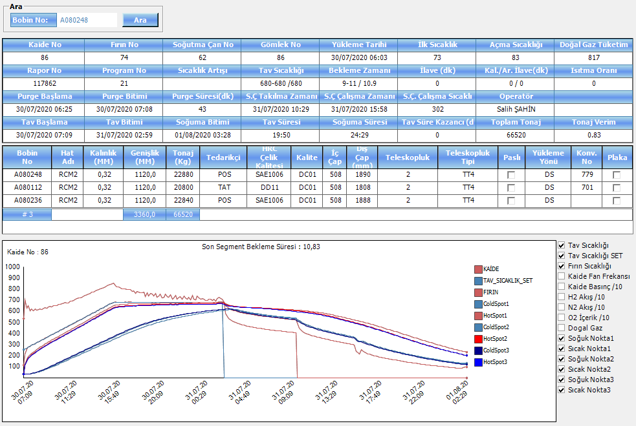
2020-07-30 | 9:09:13 | 07/30/2020 09:09 | 346 | 346 | 626 | 75 | 425 | 169 | 0 | 38 | 129 | 66 | 293 | 227 | 2:00 | 69 | 277 | 208 | 2:00 | 73 | 274 | 201 | 2:00
2020-07-30 | 9:19:13 | 07/30/2020 09:19 | 355 | 354 | 629 | 75 | 433 | 155 | 0 | 41 | 138 | 72 | 303 | 231 | 2:10 | 76 | 287 | 211 | 2:10 | 80 | 284 | 204 | 2:10
2020-07-30 | 9:29:13 | 07/30/2020 09:29 | 361 | 362 | 623 | 75 | 461 | 110 | 0 | 40 | 146 | 78 | 311 | 233 | 2:20 | 82 | 295 | 213 | 2:20 | 86 | 292 | 206 | 2:20
2020-07-30 | 9:39:13 | 07/30/2020 09:39 | 370 | 370 | 634 | 75 | 450 | 148 | 0 | 38 | 155 | 84 | 320 | 236 | 2:30 | 89 | 304 | 215 | 2:30 | 93 | 301 | 208 | 2:30
2020-07-30 | 9:49:13 | 07/30/2020 09:49 | 380 | 378 | 640 | 75 | 440 | 169 | 0 | 36 | 164 | 90 | 330 | 240 | 2:40 | 95 | 314 | 219 | 2:40 | 100 | 310 | 210 | 2:40
2020-07-30 | 9:59:13 | 07/30/2020 09:59 | 385 | 386 | 634 | 75 | 442 | 159 | 0 | 41 | 172 | 96 | 338 | 242 | 2:50 | 102 | 321 | 219 | 2:50 | 107 | 318 | 211 | 2:50
2020-07-30 | 10:09:13 | 07/30/2020 10:09 | 394 | 394 | 647 | 75 | 413 | 152 | 0 | 41 | 181 | 102 | 347 | 245 | 3:00 | 109 | 330 | 221 | 3:00 | 114 | 327 | 213 | 3:00
2020-07-30 | 10:19:13 | 07/30/2020 10:19 | 403 | 402 | 648 | 75 | 429 | 155 | 0 | 42 | 190 | 109 | 356 | 247 | 3:10 | 116 | 339 | 223 | 3:10 | 121 | 336 | 215 | 3:10
2020-07-30 | 10:29:13 | 07/30/2020 10:29 | 408 | 410 | 647 | 75 | 451 | 150 | 0 | 39 | 199 | 115 | 363 | 248 | 3:20 | 123 | 346 | 223 | 3:20 | 128 | 343 | 215 | 3:20
2020-07-30 | 10:39:13 | 07/30/2020 10:39 | 418 | 418 | 659 | 75 | 472 | 159 | 0 | 38 | 208 | 122 | 372 | 250 | 3:30 | 130 | 355 | 225 | 3:30 | 135 | 352 | 217 | 3:30
2020-07-30 | 10:49:13 | 07/30/2020 10:49 | 426 | 426 | 662 | 75 | 475 | 154 | 0 | 41 | 217 | 128 | 381 | 253 | 3:40 | 138 | 364 | 226 | 3:40 | 142 | 360 | 218 | 3:40
2020-07-30 | 10:59:13 | 07/30/2020 10:59 | 433 | 434 | 665 | 75 | 463 | 149 | 0 | 41 | 226 | 135 | 389 | 254 | 3:50 | 145 | 372 | 227 | 3:50 | 150 | 368 | 218 | 3:50
2020-07-30 | 11:09:13 | 07/30/2020 11:09 | 441 | 442 | 672 | 75 | 445 | 141 | 0 | 41 | 235 | 142 | 397 | 255 | 4:00 | 152 | 380 | 228 | 4:00 | 157 | 377 | 220 | 4:00
2020-07-30 | 11:19:13 | 07/30/2020 11:19 | 450 | 450 | 675 | 75 | 432 | 143 | 0 | 41 | 244 | 148 | 406 | 258 | 4:10 | 159 | 389 | 230 | 4:10 | 164 | 385 | 221 | 4:10
2020-07-30 | 11:29:13 | 07/30/2020 11:29 | 459 | 458 | 673 | 75 | 347 | 304 | 0 | 36 | 252 | 155 | 414 | 259 | 4:20 | 166 | 396 | 230 | 4:20 | 171 | 393 | 222 | 4:20
2020-07-30 | 11:39:13 | 07/30/2020 11:39 | 463 | 466 | 674 | 75 | 361 | 303 | 0 | 44 | 260 | 162 | 420 | 258 | 4:30 | 174 | 403 | 229 | 4:30 | 179 | 400 | 221 | 4:30
2020-07-30 | 11:49:13 | 07/30/2020 11:49 | 474 | 474 | 689 | 75 | 384 | 332 | 0 | 41 | 269 | 169 | 429 | 260 | 4:40 | 181 | 412 | 231 | 4:40 | 186 | 409 | 223 | 4:40
2020-07-30 | 11:59:13 | 07/30/2020 11:59 | 482 | 482 | 691 | 75 | 352 | 335 | 0 | 41 | 278 | 175 | 438 | 263 | 4:50 | 188 | 421 | 233 | 4:50 | 193 | 417 | 224 | 4:50
2020-07-30 | 12:09:13 | 07/30/2020 12:09 | 488 | 490 | 697 | 75 | 399 | 296 | 0 | 38 | 286 | 182 | 446 | 264 | 5:00 | 195 | 429 | 234 | 5:00 | 200 | 425 | 225 | 5:00
2020-07-30 | 12:19:13 | 07/30/2020 12:19 | 498 | 498 | 706 | 75 | 401 | 266 | 0 | 38 | 295 | 189 | 455 | 266 | 5:10 | 202 | 437 | 235 | 5:10 | 208 | 434 | 226 | 5:10
2020-07-30 | 12:29:13 | 07/30/2020 12:29 | 505 | 506 | 710 | 75 | 380 | 309 | 0 | 41 | 304 | 196 | 463 | 267 | 5:20 | 209 | 446 | 237 | 5:20 | 215 | 442 | 227 | 5:20
2020-07-30 | 12:39:13 | 07/30/2020 12:39 | 513 | 513 | 717 | 75 | 407 | 293 | 0 | 38 | 313 | 203 | 472 | 269 | 5:30 | 217 | 454 | 237 | 5:30 | 222 | 450 | 228 | 5:30
2020-07-30 | 12:49:13 | 07/30/2020 12:49 | 523 | 521 | 720 | 75 | 374 | 340 | 0 | 41 | 322 | 209 | 480 | 271 | 5:40 | 224 | 463 | 239 | 5:40 | 229 | 459 | 230 | 5:40
2020-07-30 | 12:59:13 | 07/30/2020 12:59 | 529 | 529 | 723 | 75 | 349 | 343 | 0 | 41 | 331 | 216 | 488 | 272 | 5:50 | 231 | 470 | 239 | 5:50 | 236 | 467 | 231 | 5:50
2020-07-30 | 13:09:13 | 07/30/2020 13:09 | 536 | 537 | 734 | 75 | 349 | 341 | 0 | 41 | 340 | 223 | 496 | 273 | 6:00 | 238 | 479 | 241 | 6:00 | 244 | 475 | 231 | 6:00
2020-07-30 | 13:19:13 | 07/30/2020 13:19 | 546 | 545 | 742 | 75 | 351 | 341 | 0 | 41 | 350 | 230 | 505 | 275 | 6:10 | 245 | 488 | 243 | 6:10 | 251 | 484 | 233 | 6:10
2020-07-30 | 13:29:13 | 07/30/2020 13:29 | 553 | 553 | 746 | 75 | 372 | 337 | 0 | 41 | 360 | 237 | 514 | 277 | 6:20 | 252 | 496 | 244 | 6:20 | 258 | 492 | 234 | 6:20
2020-07-30 | 13:39:13 | 07/30/2020 13:39 | 561 | 561 | 755 | 75 | 372 | 303 | 0 | 38 | 369 | 243 | 522 | 279 | 6:30 | 259 | 505 | 246 | 6:30 | 265 | 501 | 236 | 6:30
2020-07-30 | 13:49:13 | 07/30/2020 13:49 | 569 | 569 | 760 | 75 | 354 | 313 | 0 | 41 | 379 | 250 | 531 | 281 | 6:40 | 266 | 513 | 247 | 6:40 | 272 | 509 | 237 | 6:40
2020-07-30 | 13:59:13 | 07/30/2020 13:59 | 577 | 577 | 768 | 75 | 402 | 316 | 0 | 37 | 389 | 257 | 539 | 282 | 6:50 | 273 | 522 | 249 | 6:50 | 279 | 518 | 239 | 6:50
2020-07-30 | 14:09:13 | 07/30/2020 14:09 | 585 | 585 | 773 | 75 | 368 | 289 | 0 | 41 | 400 | 264 | 548 | 284 | 7:00 | 280 | 530 | 250 | 7:00 | 286 | 526 | 240 | 7:00
2020-07-30 | 14:19:13 | 07/30/2020 14:19 | 593 | 593 | 781 | 75 | 410 | 255 | 0 | 38 | 410 | 271 | 556 | 285 | 7:10 | 287 | 539 | 252 | 7:10 | 294 | 534 | 240 | 7:10
2020-07-30 | 14:29:13 | 07/30/2020 14:29 | 601 | 601 | 786 | 75 | 387 | 329 | 0 | 38 | 421 | 277 | 565 | 288 | 7:20 | 294 | 547 | 253 | 7:20 | 301 | 543 | 242 | 7:20
2020-07-30 | 14:39:13 | 07/30/2020 14:39 | 609 | 609 | 794 | 75 | 375 | 335 | 0 | 38 | 431 | 284 | 573 | 289 | 7:30 | 301 | 556 | 255 | 7:30 | 308 | 551 | 243 | 7:30
2020-07-30 | 14:49:13 | 07/30/2020 14:49 | 617 | 617 | 800 | 75 | 371 | 345 | 0 | 41 | 442 | 291 | 582 | 291 | 7:40 | 308 | 565 | 257 | 7:40 | 315 | 560 | 245 | 7:40
2020-07-30 | 14:59:13 | 07/30/2020 14:59 | 625 | 625 | 807 | 75 | 402 | 298 | 0 | 38 | 453 | 298 | 591 | 293 | 7:50 | 315 | 573 | 258 | 7:50 | 322 | 568 | 246 | 7:50
2020-07-30 | 15:09:13 | 07/30/2020 15:09 | 633 | 633 | 812 | 75 | 345 | 335 | 0 | 41 | 464 | 304 | 599 | 295 | 8:00 | 322 | 582 | 260 | 8:00 | 329 | 577 | 248 | 8:00
2020-07-30 | 15:19:13 | 07/30/2020 15:19 | 640 | 641 | 817 | 75 | 359 | 297 | 0 | 41 | 475 | 311 | 607 | 296 | 8:10 | 329 | 590 | 261 | 8:10 | 336 | 585 | 249 | 8:10
2020-07-30 | 15:29:13 | 07/30/2020 15:29 | 649 | 649 | 829 | 75 | 416 | 272 | 0 | 41 | 487 | 318 | 616 | 298 | 8:20 | 336 | 599 | 263 | 8:20 | 343 | 594 | 251 | 8:20
2020-07-30 | 15:39:13 | 07/30/2020 15:39 | 657 | 657 | 833 | 75 | 373 | 282 | 0 | 42 | 499 | 325 | 625 | 300 | 8:30 | 343 | 607 | 264 | 8:30 | 350 | 602 | 252 | 8:30
2020-07-30 | 15:49:14 | 07/30/2020 15:49 | 665 | 665 | 838 | 75 | 376 | 293 | 0 | 41 | 511 | 331 | 633 | 302 | 8:40 | 350 | 616 | 266 | 8:40 | 357 | 610 | 253 | 8:40
2020-07-30 | 15:59:14 | 07/30/2020 15:59 | 672 | 673 | 844 | 75 | 379 | 272 | 0 | 44 | 523 | 338 | 641 | 303 | 8:50 | 357 | 624 | 267 | 8:50 | 364 | 618 | 254 | 8:50
2020-07-30 | 16:09:14 | 07/30/2020 16:09 | 680 | 680 | 850 | 75 | 428 | 254 | 0 | 38 | 535 | 345 | 649 | 304 | 9:00 | 364 | 632 | 268 | 9:00 | 371 | 626 | 255 | 9:00
2020-07-30 | 16:19:14 | 07/30/2020 16:19 | 681 | 680 | 829 | 75 | 383 | 248 | 0 | 44 | 546 | 352 | 652 | 300 | 9:10 | 371 | 636 | 265 | 9:10 | 378 | 630 | 252 | 9:10
2020-07-30 | 16:29:14 | 07/30/2020 16:29 | 679 | 680 | 819 | 75 | 445 | 219 | 0 | 41 | 555 | 358 | 653 | 295 | 9:20 | 378 | 637 | 259 | 9:20 | 385 | 632 | 247 | 9:20
2020-07-30 | 16:39:14 | 07/30/2020 16:39 | 680 | 680 | 819 | 75 | 405 | 290 | 0 | 41 | 565 | 365 | 655 | 290 | 9:30 | 384 | 640 | 256 | 9:30 | 392 | 634 | 242 | 9:30
2020-07-30 | 16:49:14 | 07/30/2020 16:49 | 680 | 680 | 810 | 75 | 394 | 241 | 0 | 41 | 574 | 372 | 657 | 285 | 9:40 | 391 | 641 | 250 | 9:40 | 399 | 636 | 237 | 9:40
2020-07-30 | 16:59:14 | 07/30/2020 16:59 | 679 | 680 | 802 | 75 | 433 | 215 | 0 | 38 | 582 | 378 | 657 | 279 | 9:50 | 398 | 642 | 244 | 9:50 | 405 | 637 | 232 | 9:50
2020-07-30 | 17:09:14 | 07/30/2020 17:09 | 680 | 680 | 802 | 75 | 443 | 236 | 0 | 41 | 590 | 385 | 659 | 274 | 10:00 | 405 | 644 | 239 | 10:00 | 412 | 639 | 227 | 10:00
2020-07-30 | 17:19:14 | 07/30/2020 17:19 | 681 | 680 | 797 | 75 | 421 | 261 | 0 | 38 | 598 | 391 | 660 | 269 | 10:10 | 411 | 646 | 235 | 10:10 | 419 | 641 | 222 | 10:10
2020-07-30 | 17:29:14 | 07/30/2020 17:29 | 680 | 680 | 793 | 75 | 380 | 256 | 0 | 41 | 605 | 398 | 661 | 263 | 10:20 | 418 | 647 | 229 | 10:20 | 425 | 642 | 217 | 10:20
2020-07-30 | 17:39:14 | 07/30/2020 17:39 | 681 | 680 | 792 | 75 | 440 | 233 | 0 | 41 | 613 | 404 | 663 | 259 | 10:30 | 425 | 648 | 223 | 10:30 | 432 | 643 | 211 | 10:30
2020-07-30 | 17:49:14 | 07/30/2020 17:49 | 682 | 680 | 793 | 75 | 411 | 275 | 0 | 41 | 620 | 410 | 664 | 254 | 10:40 | 431 | 650 | 219 | 10:40 | 438 | 645 | 207 | 10:40
2020-07-30 | 17:59:14 | 07/30/2020 17:59 | 678 | 680 | 779 | 75 | 380 | 260 | 0 | 23 | 626 | 416 | 664 | 248 | 10:50 | 437 | 650 | 213 | 10:50 | 444 | 645 | 201 | 10:50
2020-07-30 | 18:09:14 | 07/30/2020 18:09 | 679 | 680 | 782 | 75 | 430 | 227 | 0 | 35 | 632 | 422 | 664 | 242 | 11:00 | 443 | 651 | 208 | 11:00 | 450 | 646 | 196 | 11:00
2020-07-30 | 18:19:14 | 07/30/2020 18:19 | 675 | 680 | 761 | 75 | 381 | 276 | 0 | 83 | 638 | 428 | 663 | 235 | 11:10 | 449 | 650 | 201 | 11:10 | 456 | 645 | 189 | 11:10
2020-07-30 | 18:29:14 | 07/30/2020 18:29 | 679 | 680 | 777 | 75 | 384 | 281 | 0 | 35 | 644 | 434 | 664 | 230 | 11:20 | 455 | 651 | 196 | 11:20 | 462 | 646 | 184 | 11:20
2020-07-30 | 18:39:14 | 07/30/2020 18:39 | 677 | 680 | 771 | 75 | 442 | 226 | 0 | 23 | 650 | 440 | 665 | 225 | 11:30 | 461 | 653 | 192 | 11:30 | 468 | 648 | 180 | 11:30
2020-07-30 | 18:49:14 | 07/30/2020 18:49 | 676 | 680 | 767 | 75 | 378 | 280 | 0 | 29 | 655 | 446 | 665 | 219 | 11:40 | 466 | 653 | 187 | 11:40 | 473 | 648 | 175 | 11:40
2020-07-30 | 18:59:14 | 07/30/2020 18:59 | 677 | 680 | 766 | 75 | 437 | 221 | 0 | 25 | 660 | 451 | 666 | 215 | 11:50 | 472 | 654 | 182 | 11:50 | 478 | 649 | 171 | 11:50
2020-07-30 | 19:09:14 | 07/30/2020 19:09 | 679 | 680 | 770 | 75 | 427 | 218 | 0 | 29 | 666 | 456 | 668 | 212 | 12:00 | 477 | 655 | 178 | 12:00 | 484 | 650 | 166 | 12:00
2020-07-30 | 19:19:14 | 07/30/2020 19:19 | 676 | 680 | 731 | 75 | 394 | 247 | 0 | 53 | 670 | 461 | 665 | 204 | 12:10 | 482 | 653 | 171 | 12:10 | 489 | 648 | 159 | 12:10
2020-07-30 | 19:29:14 | 07/30/2020 19:29 | 678 | 680 | 764 | 75 | 415 | 237 | 0 | 23 | 675 | 467 | 667 | 200 | 12:20 | 487 | 655 | 168 | 12:20 | 493 | 650 | 157 | 12:20
2020-07-30 | 19:39:14 | 07/30/2020 19:39 | 676 | 680 | 736 | 75 | 390 | 262 | 0 | 81 | 680 | 472 | 666 | 194 | 12:30 | 492 | 654 | 162 | 12:30 | 498 | 649 | 151 | 12:30
2020-07-30 | 19:49:14 | 07/30/2020 19:49 | 680 | 680 | 757 | 75 | 459 | 248 | 0 | 28 | 685 | 476 | 668 | 192 | 12:40 | 497 | 656 | 159 | 12:40 | 503 | 651 | 148 | 12:40
2020-07-30 | 19:59:14 | 07/30/2020 19:59 | 677 | 680 | 755 | 75 | 457 | 237 | 0 | 35 | 689 | 481 | 669 | 188 | 12:50 | 501 | 657 | 156 | 12:50 | 507 | 652 | 145 | 12:50
2020-07-30 | 20:09:13 | 07/30/2020 20:09 | 678 | 680 | 734 | 75 | 483 | 141 | 0 | 47 | 693 | 486 | 668 | 182 | 13:00 | 506 | 657 | 151 | 13:00 | 512 | 651 | 139 | 13:00
2020-07-30 | 20:19:13 | 07/30/2020 20:19 | 678 | 680 | 756 | 75 | 436 | 166 | 0 | 23 | 698 | 490 | 670 | 180 | 13:10 | 510 | 658 | 148 | 13:10 | 516 | 653 | 137 | 13:10
2020-07-30 | 20:29:13 | 07/30/2020 20:29 | 676 | 680 | 724 | 75 | 454 | 148 | 0 | 70 | 702 | 495 | 668 | 173 | 13:20 | 514 | 657 | 143 | 13:20 | 520 | 652 | 132 | 13:20
2020-07-30 | 20:39:13 | 07/30/2020 20:39 | 679 | 680 | 736 | 75 | 470 | 156 | 0 | 24 | 707 | 499 | 668 | 169 | 13:30 | 519 | 657 | 138 | 13:30 | 524 | 652 | 128 | 13:30
2020-07-30 | 20:49:13 | 07/30/2020 20:49 | 678 | 680 | 753 | 75 | 486 | 131 | 0 | 23 | 711 | 503 | 671 | 168 | 13:40 | 523 | 660 | 137 | 13:40 | 528 | 655 | 127 | 13:40
2020-07-30 | 20:59:13 | 07/30/2020 20:59 | 676 | 680 | 718 | 75 | 439 | 155 | 0 | 53 | 715 | 507 | 669 | 162 | 13:50 | 526 | 658 | 132 | 13:50 | 531 | 653 | 122 | 13:50
2020-07-30 | 21:09:13 | 07/30/2020 21:09 | 679 | 680 | 723 | 75 | 474 | 161 | 0 | 32 | 719 | 511 | 669 | 158 | 14:00 | 530 | 658 | 128 | 14:00 | 535 | 653 | 118 | 14:00
2020-07-30 | 21:19:13 | 07/30/2020 21:19 | 678 | 680 | 753 | 75 | 462 | 147 | 0 | 47 | 723 | 515 | 672 | 157 | 14:10 | 534 | 661 | 127 | 14:10 | 538 | 656 | 118 | 14:10
2020-07-30 | 21:29:13 | 07/30/2020 21:29 | 676 | 680 | 731 | 75 | 440 | 124 | 0 | 87 | 726 | 519 | 672 | 153 | 14:20 | 537 | 661 | 124 | 14:20 | 542 | 656 | 114 | 14:20
2020-07-30 | 21:39:13 | 07/30/2020 21:39 | 679 | 680 | 723 | 75 | 419 | 160 | 0 | 47 | 730 | 523 | 671 | 148 | 14:30 | 541 | 661 | 120 | 14:30 | 545 | 655 | 110 | 14:30
2020-07-30 | 21:49:13 | 07/30/2020 21:49 | 679 | 680 | 746 | 75 | 477 | 156 | 0 | 29 | 734 | 526 | 673 | 147 | 14:40 | 544 | 663 | 119 | 14:40 | 548 | 657 | 109 | 14:40
2020-07-30 | 21:59:13 | 07/30/2020 21:59 | 676 | 680 | 709 | 75 | 467 | 152 | 0 | 51 | 737 | 530 | 671 | 141 | 14:50 | 548 | 661 | 113 | 14:50 | 552 | 655 | 103 | 14:50
2020-07-30 | 22:09:13 | 07/30/2020 22:09 | 679 | 680 | 717 | 75 | 466 | 153 | 0 | 29 | 741 | 533 | 671 | 138 | 15:00 | 551 | 661 | 110 | 15:00 | 555 | 655 | 100 | 15:00
2020-07-30 | 22:19:13 | 07/30/2020 22:19 | 678 | 680 | 742 | 75 | 478 | 139 | 0 | 33 | 744 | 536 | 674 | 138 | 15:10 | 554 | 663 | 109 | 15:10 | 557 | 658 | 101 | 15:10
2020-07-30 | 22:29:13 | 07/30/2020 22:29 | 677 | 680 | 708 | 75 | 471 | 152 | 0 | 47 | 747 | 540 | 672 | 132 | 15:20 | 557 | 662 | 105 | 15:20 | 560 | 656 | 96 | 15:20
2020-07-30 | 22:39:13 | 07/30/2020 22:39 | 680 | 680 | 723 | 75 | 487 | 105 | 0 | 23 | 750 | 543 | 673 | 130 | 15:30 | 560 | 663 | 103 | 15:30 | 563 | 657 | 94 | 15:30
2020-07-30 | 22:49:13 | 07/30/2020 22:49 | 677 | 680 | 729 | 75 | 486 | 88 | 0 | 75 | 754 | 546 | 674 | 128 | 15:40 | 563 | 664 | 101 | 15:40 | 566 | 658 | 92 | 15:40
2020-07-30 | 22:59:13 | 07/30/2020 22:59 | 678 | 680 | 708 | 75 | 498 | 123 | 0 | 35 | 757 | 549 | 673 | 124 | 15:50 | 566 | 663 | 97 | 15:50 | 568 | 657 | 89 | 15:50
2020-07-30 | 23:09:13 | 07/30/2020 23:09 | 678 | 680 | 737 | 75 | 515 | 98 | 0 | 41 | 760 | 552 | 675 | 123 | 16:00 | 568 | 665 | 97 | 16:00 | 571 | 659 | 88 | 16:00
2020-07-30 | 23:19:13 | 07/30/2020 23:19 | 679 | 680 | 717 | 75 | 463 | 100 | 0 | 51 | 763 | 555 | 675 | 120 | 16:10 | 571 | 666 | 95 | 16:10 | 574 | 660 | 86 | 16:10
2020-07-30 | 23:29:13 | 07/30/2020 23:29 | 676 | 680 | 706 | 75 | 487 | 124 | 0 | 61 | 766 | 558 | 674 | 116 | 16:20 | 574 | 664 | 90 | 16:20 | 576 | 658 | 82 | 16:20
2020-07-30 | 23:39:13 | 07/30/2020 23:39 | 680 | 680 | 723 | 75 | 493 | 112 | 0 | 23 | 769 | 561 | 675 | 114 | 16:30 | 576 | 666 | 90 | 16:30 | 578 | 659 | 81 | 16:30
2020-07-30 | 23:49:13 | 07/30/2020 23:49 | 677 | 680 | 702 | 75 | 481 | 124 | 0 | 58 | 772 | 563 | 674 | 111 | 16:40 | 578 | 665 | 87 | 16:40 | 581 | 659 | 78 | 16:40
2020-07-30 | 23:59:13 | 07/30/2020 23:59 | 679 | 680 | 739 | 75 | 486 | 121 | 0 | 34 | 775 | 566 | 677 | 111 | 16:50 | 581 | 667 | 86 | 16:50 | 583 | 661 | 78 | 16:50
2020-07-31 | 0:09:13 | 07/31/2020 00:09 | 679 | 680 | 708 | 75 | 517 | 114 | 0 | 68 | 778 | 569 | 677 | 108 | 17:00 | 583 | 667 | 84 | 17:00 | 585 | 661 | 76 | 17:00
2020-07-31 | 0:19:13 | 07/31/2020 00:19 | 676 | 680 | 701 | 75 | 534 | 69 | 0 | 79 | 780 | 571 | 675 | 104 | 17:10 | 585 | 665 | 80 | 17:10 | 587 | 659 | 72 | 17:10
2020-07-31 | 0:29:13 | 07/31/2020 00:29 | 678 | 680 | 738 | 75 | 490 | 135 | 0 | 61 | 784 | 574 | 678 | 104 | 17:20 | 588 | 668 | 80 | 17:20 | 589 | 662 | 73 | 17:20
2020-07-31 | 0:39:13 | 07/31/2020 00:39 | 679 | 680 | 716 | 75 | 522 | 55 | 0 | 69 | 787 | 576 | 678 | 102 | 17:30 | 590 | 669 | 79 | 17:30 | 591 | 662 | 71 | 17:30
2020-07-31 | 0:49:14 | 07/31/2020 00:49 | 677 | 680 | 704 | 75 | 482 | 140 | 0 | 113 | 790 | 578 | 677 | 99 | 17:40 | 592 | 668 | 76 | 17:40 | 593 | 661 | 68 | 17:40
2020-07-31 | 0:59:14 | 07/31/2020 00:59 | 676 | 680 | 711 | 75 | 525 | 71 | 0 | 145 | 792 | 581 | 677 | 96 | 17:50 | 594 | 667 | 73 | 17:50 | 595 | 661 | 66 | 17:50
2020-07-31 | 1:09:14 | 07/31/2020 01:09 | 676 | 680 | 709 | 75 | 459 | 208 | 0 | 75 | 795 | 583 | 677 | 94 | 18:00 | 596 | 668 | 72 | 18:00 | 597 | 661 | 64 | 18:00
2020-07-31 | 1:19:14 | 07/31/2020 01:19 | 677 | 680 | 695 | 75 | 439 | 207 | 0 | 43 | 797 | 585 | 676 | 91 | 18:10 | 598 | 667 | 69 | 18:10 | 599 | 660 | 61 | 18:10
2020-07-31 | 1:29:14 | 07/31/2020 01:29 | 678 | 680 | 697 | 75 | 440 | 212 | 0 | 35 | 799 | 587 | 676 | 89 | 18:20 | 600 | 667 | 67 | 18:20 | 600 | 660 | 60 | 18:20
2020-07-31 | 1:39:14 | 07/31/2020 01:39 | 680 | 680 | 704 | 75 | 469 | 209 | 0 | 32 | 800 | 589 | 677 | 88 | 18:30 | 602 | 668 | 66 | 18:30 | 602 | 661 | 59 | 18:30
2020-07-31 | 1:49:14 | 07/31/2020 01:49 | 677 | 680 | 704 | 75 | 483 | 203 | 0 | 81 | 802 | 591 | 677 | 86 | 18:40 | 603 | 668 | 65 | 18:40 | 604 | 661 | 57 | 18:40
2020-07-31 | 1:59:14 | 07/31/2020 01:59 | 678 | 680 | 693 | 75 | 433 | 210 | 0 | 35 | 804 | 593 | 676 | 83 | 18:50 | 605 | 667 | 62 | 18:50 | 605 | 661 | 56 | 18:50
2020-07-31 | 2:09:14 | 07/31/2020 02:09 | 680 | 680 | 709 | 75 | 440 | 206 | 0 | 29 | 805 | 595 | 678 | 83 | 19:00 | 607 | 669 | 62 | 19:00 | 607 | 662 | 55 | 19:00
2020-07-31 | 2:19:14 | 07/31/2020 02:19 | 677 | 680 | 691 | 75 | 464 | 197 | 0 | 47 | 807 | 597 | 677 | 80 | 19:10 | 609 | 668 | 59 | 19:10 | 608 | 661 | 53 | 19:10
2020-07-31 | 2:29:14 | 07/31/2020 02:29 | 680 | 680 | 711 | 75 | 466 | 209 | 0 | 24 | 808 | 599 | 678 | 79 | 19:20 | 610 | 670 | 60 | 19:20 | 610 | 663 | 53 | 19:20
2020-07-31 | 2:39:14 | 07/31/2020 02:39 | 680 | 680 | 722 | 75 | 588 | 0 | 0 | 27 | 811 | 601 | 681 | 80 | 19:30 | 612 | 672 | 60 | 19:30 | 611 | 665 | 54 | 19:30
2020-07-31 | 2:49:14 | 07/31/2020 02:49 | 680 | 680 | 712 | 75 | 582 | 0 | 0 | 29 | 813 | 603 | 681 | 78 | 19:40 | 613 | 672 | 59 | 19:40 | 613 | 665 | 52 | 19:40
2020-07-31 | 2:59:14 | 07/31/2020 02:59 | 680 | 680 | 707 | 75 | 459 | 0 | 0 | 29 | 815 | 604 | 681 | 77 | 19:50 | 615 | 672 | 57 | 19:50 | 614 | 665 | 51 | 19:50
2020-07-31 | 3:09:15 | 07/31/2020 03:09 | 674 | 0 | 675 | 75 | 551 | 0 | 0 | 167 | 817 | 606 | 677 | 71 | 20:00 | 616 | 669 | 53 | 20:00 | 616 | 662 | 46 | 20:00
2020-07-31 | 3:19:15 | 07/31/2020 03:19 | 648 | 0 | 581 | 75 | 550 | 0 | 0 | 208 | 817 | 608 | 667 | 59 | 20:10 | 618 | 660 | 42 | 20:10 | 617 | 654 | 37 | 20:10
2020-07-31 | 3:29:15 | 07/31/2020 03:29 | 634 | 0 | 549 | 75 | 552 | 0 | 0 | 210 | 817 | 610 | 660 | 50 | 20:20 | 619 | 654 | 35 | 20:20 | 618 | 649 | 31 | 20:20
2020-07-31 | 3:39:15 | 07/31/2020 03:39 | 623 | 0 | 531 | 75 | 541 | 0 | 0 | 210 | 817 | 611 | 655 | 44 | 20:30 | 620 | 650 | 30 | 20:30 | 619 | 645 | 26 | 20:30
2020-07-31 | 3:49:15 | 07/31/2020 03:49 | 615 | 0 | 520 | 75 | 543 | 0 | 0 | 210 | 817 | 613 | 651 | 38 | 20:40 | 622 | 646 | 24 | 20:40 | 621 | 642 | 21 | 20:40
2020-07-31 | 3:59:15 | 07/31/2020 03:59 | 609 | 0 | 510 | 75 | 504 | 3 | 0 | 210 | 817 | 614 | 648 | 34 | 20:50 | 621 | 644 | 23 | 20:50 | 615 | 640 | 25 | 20:50
2020-07-31 | 4:09:15 | 07/31/2020 04:09 | 603 | 0 | 502 | 75 | 553 | 5 | 0 | 210 | 817 | 616 | 645 | 29 | 21:00 | 616 | 641 | 25 | 21:00 | 609 | 638 | 29 | 21:00
2020-07-31 | 4:19:15 | 07/31/2020 04:19 | 599 | 0 | 495 | 75 | 549 | 3 | 0 | 210 | 817 | 616 | 643 | 27 | 21:10 | 611 | 640 | 29 | 21:10 | 605 | 636 | 31 | 21:10
2020-07-31 | 4:29:15 | 07/31/2020 04:29 | 594 | 0 | 489 | 75 | 544 | 0 | 0 | 210 | 817 | 611 | 641 | 30 | 21:20 | 607 | 638 | 31 | 21:20 | 600 | 635 | 35 | 21:20
2020-07-31 | 4:39:15 | 07/31/2020 04:39 | 590 | 0 | 485 | 75 | 554 | 0 | 0 | 210 | 817 | 607 | 639 | 32 | 21:30 | 603 | 637 | 34 | 21:30 | 596 | 634 | 38 | 21:30
2020-07-31 | 4:49:15 | 07/31/2020 04:49 | 587 | 0 | 479 | 75 | 552 | 5 | 0 | 210 | 817 | 604 | 637 | 33 | 21:40 | 599 | 636 | 37 | 21:40 | 593 | 633 | 40 | 21:40
2020-07-31 | 4:59:15 | 07/31/2020 04:59 | 584 | 0 | 476 | 75 | 552 | 0 | 0 | 210 | 817 | 600 | 636 | 36 | 21:50 | 596 | 635 | 39 | 21:50 | 589 | 632 | 43 | 21:50
2020-07-31 | 5:09:15 | 07/31/2020 05:09 | 581 | 0 | 473 | 75 | 552 | 0 | 0 | 210 | 817 | 597 | 635 | 38 | 22:00 | 593 | 634 | 41 | 22:00 | 586 | 631 | 45 | 22:00
2020-07-31 | 5:19:15 | 07/31/2020 05:19 | 578 | 0 | 469 | 75 | 549 | 0 | 0 | 210 | 817 | 594 | 634 | 40 | 22:10 | 590 | 633 | 43 | 22:10 | 583 | 630 | 47 | 22:10
2020-07-31 | 5:29:15 | 07/31/2020 05:29 | 575 | 0 | 465 | 75 | 547 | 0 | 0 | 210 | 817 | 591 | 633 | 42 | 22:20 | 587 | 632 | 45 | 22:20 | 580 | 629 | 49 | 22:20
2020-07-31 | 5:39:15 | 07/31/2020 05:39 | 572 | 0 | 462 | 75 | 548 | 0 | 0 | 210 | 817 | 588 | 632 | 44 | 22:30 | 584 | 632 | 48 | 22:30 | 577 | 629 | 52 | 22:30
2020-07-31 | 5:49:15 | 07/31/2020 05:49 | 570 | 0 | 458 | 75 | 545 | 0 | 0 | 210 | 817 | 586 | 631 | 45 | 22:40 | 581 | 631 | 50 | 22:40 | 575 | 628 | 53 | 22:40
2020-07-31 | 5:59:15 | 07/31/2020 05:59 | 567 | 0 | 455 | 75 | 539 | 0 | 0 | 210 | 817 | 583 | 630 | 47 | 22:50 | 579 | 631 | 52 | 22:50 | 572 | 627 | 55 | 22:50
2020-07-31 | 6:09:15 | 07/31/2020 06:09 | 565 | 0 | 452 | 75 | 524 | 0 | 0 | 210 | 817 | 581 | 629 | 48 | 23:00 | 576 | 630 | 54 | 23:00 | 570 | 627 | 57 | 23:00
2020-07-31 | 6:19:15 | 07/31/2020 06:19 | 563 | 0 | 449 | 75 | 536 | 0 | 0 | 210 | 817 | 578 | 628 | 50 | 23:10 | 574 | 630 | 56 | 23:10 | 567 | 626 | 59 | 23:10
2020-07-31 | 6:29:15 | 07/31/2020 06:29 | 561 | 0 | 447 | 75 | 545 | 0 | 0 | 210 | 817 | 576 | 628 | 52 | 23:20 | 572 | 629 | 57 | 23:20 | 565 | 625 | 60 | 23:20
2020-07-31 | 6:39:15 | 07/31/2020 06:39 | 558 | 0 | 445 | 75 | 514 | 0 | 0 | 210 | 817 | 574 | 627 | 53 | 23:30 | 570 | 629 | 59 | 23:30 | 563 | 624 | 61 | 23:30
2020-07-31 | 6:49:15 | 07/31/2020 06:49 | 556 | 0 | 443 | 75 | 496 | 0 | 0 | 210 | 817 | 572 | 626 | 54 | 23:40 | 568 | 628 | 60 | 23:40 | 560 | 624 | 64 | 23:40
2020-07-31 | 6:59:16 | 07/31/2020 06:59 | 554 | 0 | 440 | 75 | 556 | 0 | 0 | 210 | 817 | 569 | 626 | 57 | 23:50 | 565 | 627 | 62 | 23:50 | 558 | 623 | 65 | 23:50
2020-07-31 | 7:09:16 | 07/31/2020 07:09 | 552 | 0 | 438 | 75 | 539 | 0 | 0 | 210 | 817 | 567 | 625 | 58 | 0:00 | 563 | 626 | 63 | 0:00 | 556 | 622 | 66 | 0:00
2020-07-31 | 7:19:16 | 07/31/2020 07:19 | 550 | 0 | 435 | 75 | 526 | 0 | 0 | 210 | 817 | 565 | 625 | 60 | 0:10 | 561 | 626 | 65 | 0:10 | 554 | 621 | 67 | 0:10
2020-07-31 | 7:29:16 | 07/31/2020 07:29 | 548 | 0 | 434 | 75 | 523 | 0 | 0 | 210 | 817 | 563 | 624 | 61 | 0:20 | 559 | 625 | 66 | 0:20 | 552 | 620 | 68 | 0:20
2020-07-31 | 7:39:16 | 07/31/2020 07:39 | 547 | 0 | 431 | 75 | 524 | 0 | 0 | 210 | 817 | 562 | 624 | 62 | 0:30 | 558 | 624 | 66 | 0:30 | 550 | 618 | 68 | 0:30
2020-07-31 | 7:49:16 | 07/31/2020 07:49 | 545 | 0 | 429 | 75 | 553 | 0 | 0 | 210 | 817 | 560 | 623 | 63 | 0:40 | 556 | 622 | 66 | 0:40 | 548 | 617 | 69 | 0:40
2020-07-31 | 7:59:16 | 07/31/2020 07:59 | 543 | 0 | 427 | 75 | 550 | 0 | 0 | 210 | 817 | 558 | 622 | 64 | 0:50 | 554 | 621 | 67 | 0:50 | 546 | 616 | 70 | 0:50
2020-07-31 | 8:09:16 | 07/31/2020 08:09 | 541 | 0 | 426 | 75 | 553 | 0 | 0 | 210 | 817 | 556 | 622 | 66 | 1:00 | 552 | 620 | 68 | 1:00 | 545 | 615 | 70 | 1:00
2020-07-31 | 8:19:16 | 07/31/2020 08:19 | 539 | 0 | 423 | 75 | 556 | 0 | 0 | 210 | 817 | 554 | 621 | 67 | 1:10 | 550 | 619 | 69 | 1:10 | 543 | 613 | 70 | 1:10
2020-07-31 | 8:29:16 | 07/31/2020 08:29 | 538 | 0 | 421 | 75 | 554 | 0 | 0 | 210 | 817 | 552 | 620 | 68 | 1:20 | 549 | 618 | 69 | 1:20 | 541 | 612 | 71 | 1:20
2020-07-31 | 8:39:16 | 07/31/2020 08:39 | 536 | 0 | 420 | 75 | 549 | 0 | 0 | 210 | 817 | 551 | 619 | 68 | 1:30 | 547 | 616 | 69 | 1:30 | 539 | 610 | 71 | 1:30
2020-07-31 | 8:49:16 | 07/31/2020 08:49 | 534 | 0 | 419 | 75 | 553 | 0 | 0 | 210 | 817 | 549 | 618 | 69 | 1:40 | 545 | 615 | 70 | 1:40 | 537 | 609 | 72 | 1:40
2020-07-31 | 8:59:16 | 07/31/2020 08:59 | 533 | 0 | 417 | 75 | 555 | 0 | 0 | 210 | 817 | 548 | 617 | 69 | 1:50 | 543 | 614 | 71 | 1:50 | 536 | 607 | 71 | 1:50
2020-07-31 | 9:09:16 | 07/31/2020 09:09 | 531 | 0 | 415 | 75 | 552 | 0 | 0 | 210 | 817 | 546 | 616 | 70 | 2:00 | 542 | 612 | 70 | 2:00 | 534 | 606 | 72 | 2:00
2020-07-31 | 9:19:16 | 07/31/2020 09:19 | 529 | 0 | 413 | 75 | 555 | 0 | 0 | 210 | 817 | 544 | 615 | 71 | 2:10 | 540 | 611 | 71 | 2:10 | 532 | 604 | 72 | 2:10
2020-07-31 | 9:29:16 | 07/31/2020 09:29 | 528 | 0 | 412 | 75 | 553 | 7 | 0 | 210 | 817 | 543 | 614 | 71 | 2:20 | 539 | 609 | 70 | 2:20 | 531 | 603 | 72 | 2:20
2020-07-31 | 9:39:16 | 07/31/2020 09:39 | 526 | 0 | 411 | 75 | 538 | 0 | 0 | 210 | 817 | 541 | 613 | 72 | 2:30 | 537 | 608 | 71 | 2:30 | 529 | 601 | 72 | 2:30
2020-07-31 | 9:49:16 | 07/31/2020 09:49 | 525 | 0 | 408 | 75 | 537 | 1 | 0 | 210 | 817 | 539 | 612 | 73 | 2:40 | 535 | 607 | 72 | 2:40 | 528 | 600 | 72 | 2:40
2020-07-31 | 9:59:14 | 07/31/2020 09:59 | 523 | 0 | 408 | 75 | 542 | 0 | 0 | 210 | 817 | 538 | 611 | 73 | 2:50 | 534 | 605 | 71 | 2:50 | 526 | 598 | 72 | 2:50
2020-07-31 | 10:09:14 | 07/31/2020 10:09 | 522 | 0 | 406 | 75 | 549 | 1 | 0 | 210 | 817 | 536 | 610 | 74 | 3:00 | 532 | 604 | 72 | 3:00 | 524 | 596 | 72 | 3:00
2020-07-31 | 10:19:14 | 07/31/2020 10:19 | 520 | 0 | 404 | 75 | 552 | 1 | 0 | 210 | 817 | 535 | 609 | 74 | 3:10 | 531 | 602 | 71 | 3:10 | 523 | 595 | 72 | 3:10
2020-07-31 | 10:29:14 | 07/31/2020 10:29 | 493 | 0 | 0 | 0 | 511 | 82 | 0 | 0 | 817 | 521 | 607 | 86 | 3:20 | 518 | 600 | 82 | 3:20 | 511 | 593 | 82 | 3:20
2020-07-31 | 10:39:14 | 07/31/2020 10:39 | 442 | 0 | 0 | 33 | 558 | 2 | 0 | 0 | 817 | 515 | 606 | 91 | 3:30 | 512 | 599 | 87 | 3:30 | 504 | 591 | 87 | 3:30
2020-07-31 | 10:49:14 | 07/31/2020 10:49 | 426 | 0 | 0 | 75 | 543 | 1 | 0 | 0 | 817 | 503 | 605 | 102 | 3:40 | 501 | 597 | 96 | 3:40 | 493 | 590 | 97 | 3:40
2020-07-31 | 10:59:14 | 07/31/2020 10:59 | 414 | 0 | 0 | 75 | 544 | 0 | 0 | 0 | 817 | 494 | 604 | 110 | 3:50 | 492 | 596 | 104 | 3:50 | 484 | 588 | 104 | 3:50
2020-07-31 | 11:09:14 | 07/31/2020 11:09 | 405 | 0 | 0 | 75 | 523 | 0 | 0 | 0 | 817 | 486 | 602 | 116 | 4:00 | 485 | 594 | 109 | 4:00 | 477 | 586 | 109 | 4:00
2020-07-31 | 11:19:14 | 07/31/2020 11:19 | 398 | 0 | 0 | 75 | 519 | 0 | 0 | 0 | 817 | 479 | 601 | 122 | 4:10 | 478 | 593 | 115 | 4:10 | 470 | 585 | 115 | 4:10
2020-07-31 | 11:29:14 | 07/31/2020 11:29 | 392 | 0 | 0 | 75 | 553 | 1 | 0 | 0 | 817 | 473 | 600 | 127 | 4:20 | 472 | 591 | 119 | 4:20 | 464 | 583 | 119 | 4:20
2020-07-31 | 11:39:14 | 07/31/2020 11:39 | 387 | 0 | 0 | 75 | 552 | 0 | 0 | 0 | 817 | 467 | 598 | 131 | 4:30 | 466 | 589 | 123 | 4:30 | 458 | 581 | 123 | 4:30
2020-07-31 | 11:49:14 | 07/31/2020 11:49 | 382 | 0 | 0 | 75 | 522 | 0 | 0 | 0 | 817 | 462 | 597 | 135 | 4:40 | 461 | 587 | 126 | 4:40 | 453 | 579 | 126 | 4:40
2020-07-31 | 11:59:14 | 07/31/2020 11:59 | 377 | 0 | 0 | 75 | 548 | 0 | 0 | 0 | 817 | 457 | 595 | 138 | 4:50 | 456 | 585 | 129 | 4:50 | 448 | 577 | 129 | 4:50
2020-07-31 | 12:09:14 | 07/31/2020 12:09 | 373 | 0 | 0 | 75 | 565 | 1 | 0 | 0 | 817 | 452 | 593 | 141 | 5:00 | 451 | 583 | 132 | 5:00 | 443 | 574 | 131 | 5:00
2020-07-31 | 12:19:14 | 07/31/2020 12:19 | 369 | 0 | 0 | 75 | 561 | 0 | 0 | 0 | 817 | 447 | 591 | 144 | 5:10 | 447 | 580 | 133 | 5:10 | 439 | 572 | 133 | 5:10
2020-07-31 | 12:29:14 | 07/31/2020 12:29 | 365 | 0 | 0 | 75 | 573 | 0 | 0 | 0 | 817 | 443 | 589 | 146 | 5:20 | 442 | 578 | 136 | 5:20 | 434 | 569 | 135 | 5:20
2020-07-31 | 12:39:14 | 07/31/2020 12:39 | 361 | 0 | 0 | 75 | 561 | 0 | 0 | 0 | 817 | 439 | 586 | 147 | 5:30 | 438 | 575 | 137 | 5:30 | 430 | 567 | 137 | 5:30
2020-07-31 | 12:49:14 | 07/31/2020 12:49 | 357 | 0 | 0 | 75 | 526 | 0 | 0 | 0 | 817 | 434 | 584 | 150 | 5:40 | 434 | 572 | 138 | 5:40 | 426 | 564 | 138 | 5:40
2020-07-31 | 12:59:14 | 07/31/2020 12:59 | 354 | 0 | 0 | 75 | 548 | 0 | 0 | 0 | 817 | 430 | 582 | 152 | 5:50 | 430 | 569 | 139 | 5:50 | 422 | 561 | 139 | 5:50
2020-07-31 | 13:09:14 | 07/31/2020 13:09 | 350 | 0 | 0 | 75 | 566 | 1 | 0 | 0 | 817 | 426 | 579 | 153 | 6:00 | 426 | 566 | 140 | 6:00 | 418 | 558 | 140 | 6:00
2020-07-31 | 13:19:14 | 07/31/2020 13:19 | 347 | 0 | 0 | 75 | 556 | 0 | 0 | 0 | 817 | 422 | 576 | 154 | 6:10 | 422 | 562 | 140 | 6:10 | 414 | 554 | 140 | 6:10
2020-07-31 | 13:29:14 | 07/31/2020 13:29 | 344 | 0 | 0 | 75 | 568 | 0 | 0 | 0 | 817 | 419 | 573 | 154 | 6:20 | 418 | 559 | 141 | 6:20 | 410 | 551 | 141 | 6:20
2020-07-31 | 13:39:14 | 07/31/2020 13:39 | 340 | 0 | 0 | 75 | 540 | 0 | 0 | 0 | 817 | 415 | 571 | 156 | 6:30 | 414 | 555 | 141 | 6:30 | 406 | 548 | 142 | 6:30
2020-07-31 | 13:49:14 | 07/31/2020 13:49 | 337 | 0 | 0 | 75 | 560 | 0 | 0 | 0 | 817 | 411 | 568 | 157 | 6:40 | 411 | 552 | 141 | 6:40 | 403 | 544 | 141 | 6:40
2020-07-31 | 13:59:14 | 07/31/2020 13:59 | 334 | 0 | 0 | 75 | 531 | 0 | 0 | 0 | 817 | 408 | 564 | 156 | 6:50 | 407 | 548 | 141 | 6:50 | 399 | 541 | 142 | 6:50
2020-07-31 | 14:09:14 | 07/31/2020 14:09 | 331 | 0 | 0 | 75 | 515 | 0 | 0 | 0 | 817 | 404 | 561 | 157 | 7:00 | 404 | 544 | 140 | 7:00 | 396 | 537 | 141 | 7:00
2020-07-31 | 14:19:14 | 07/31/2020 14:19 | 327 | 0 | 0 | 75 | 500 | 0 | 0 | 0 | 817 | 400 | 558 | 158 | 7:10 | 400 | 541 | 141 | 7:10 | 392 | 533 | 141 | 7:10
2020-07-31 | 14:29:14 | 07/31/2020 14:29 | 325 | 0 | 0 | 75 | 521 | 0 | 0 | 0 | 817 | 397 | 555 | 158 | 7:20 | 396 | 537 | 141 | 7:20 | 389 | 530 | 141 | 7:20
2020-07-31 | 14:39:14 | 07/31/2020 14:39 | 322 | 0 | 0 | 75 | 563 | 0 | 0 | 0 | 817 | 394 | 551 | 157 | 7:30 | 393 | 533 | 140 | 7:30 | 385 | 526 | 141 | 7:30
2020-07-31 | 14:49:14 | 07/31/2020 14:49 | 319 | 0 | 0 | 75 | 552 | 0 | 0 | 0 | 817 | 390 | 548 | 158 | 7:40 | 390 | 529 | 139 | 7:40 | 382 | 522 | 140 | 7:40
2020-07-31 | 14:59:14 | 07/31/2020 14:59 | 316 | 0 | 0 | 75 | 518 | 0 | 0 | 0 | 817 | 387 | 545 | 158 | 7:50 | 386 | 525 | 139 | 7:50 | 379 | 518 | 139 | 7:50
2020-07-31 | 15:09:14 | 07/31/2020 15:09 | 313 | 0 | 0 | 75 | 552 | 19 | 0 | 0 | 817 | 384 | 541 | 157 | 8:00 | 383 | 521 | 138 | 8:00 | 375 | 514 | 139 | 8:00
2020-07-31 | 15:19:14 | 07/31/2020 15:19 | 310 | 0 | 0 | 75 | 540 | 0 | 0 | 0 | 817 | 380 | 538 | 158 | 8:10 | 380 | 517 | 137 | 8:10 | 372 | 511 | 139 | 8:10
2020-07-31 | 15:29:14 | 07/31/2020 15:29 | 308 | 0 | 0 | 75 | 513 | 0 | 0 | 0 | 817 | 377 | 534 | 157 | 8:20 | 376 | 513 | 137 | 8:20 | 369 | 507 | 138 | 8:20
2020-07-31 | 15:39:14 | 07/31/2020 15:39 | 305 | 0 | 0 | 75 | 522 | 7 | 0 | 0 | 817 | 374 | 530 | 156 | 8:30 | 373 | 509 | 136 | 8:30 | 366 | 503 | 137 | 8:30
2020-07-31 | 15:49:14 | 07/31/2020 15:49 | 302 | 0 | 0 | 75 | 535 | 0 | 0 | 0 | 817 | 371 | 527 | 156 | 8:40 | 370 | 505 | 135 | 8:40 | 362 | 499 | 137 | 8:40
2020-07-31 | 15:59:14 | 07/31/2020 15:59 | 299 | 0 | 0 | 75 | 540 | 0 | 0 | 0 | 817 | 368 | 523 | 155 | 8:50 | 367 | 501 | 134 | 8:50 | 359 | 495 | 136 | 8:50
2020-07-31 | 16:09:13 | 07/31/2020 16:09 | 293 | 0 | 0 | 0 | 529 | 24 | 0 | 0 | 817 | 364 | 520 | 156 | 9:00 | 363 | 497 | 134 | 9:00 | 355 | 491 | 136 | 9:00
2020-07-31 | 16:19:13 | 07/31/2020 16:19 | 237 | 0 | 0 | 0 | 511 | 4 | 0 | 0 | 817 | 349 | 516 | 167 | 9:10 | 349 | 493 | 144 | 9:10 | 342 | 487 | 145 | 9:10
2020-07-31 | 16:29:14 | 07/31/2020 16:29 | 228 | 0 | 0 | 0 | 541 | 5 | 0 | 0 | 817 | 337 | 512 | 175 | 9:20 | 337 | 489 | 152 | 9:20 | 330 | 483 | 153 | 9:20
2020-07-31 | 16:39:13 | 07/31/2020 16:39 | 211 | 0 | 0 | 0 | 536 | 0 | 0 | 0 | 817 | 326 | 508 | 182 | 9:30 | 327 | 485 | 158 | 9:30 | 320 | 479 | 159 | 9:30
2020-07-31 | 16:49:13 | 07/31/2020 16:49 | 253 | 0 | 0 | 25 | 545 | 0 | 0 | 0 | 817 | 327 | 505 | 178 | 9:40 | 328 | 481 | 153 | 9:40 | 321 | 475 | 154 | 9:40
2020-07-31 | 16:59:13 | 07/31/2020 16:59 | 243 | 0 | 0 | 75 | 618 | 0 | 0 | 0 | 817 | 326 | 501 | 175 | 9:50 | 326 | 477 | 151 | 9:50 | 319 | 471 | 152 | 9:50
2020-07-31 | 17:09:13 | 07/31/2020 17:09 | 229 | 0 | 0 | 75 | 570 | 0 | 0 | 0 | 817 | 320 | 497 | 177 | 10:00 | 320 | 473 | 153 | 10:00 | 313 | 467 | 154 | 10:00
2020-07-31 | 17:19:13 | 07/31/2020 17:19 | 221 | 0 | 0 | 75 | 556 | 0 | 0 | 0 | 817 | 314 | 493 | 179 | 10:10 | 314 | 468 | 154 | 10:10 | 307 | 463 | 156 | 10:10
2020-07-31 | 17:29:13 | 07/31/2020 17:29 | 215 | 0 | 0 | 75 | 569 | 0 | 0 | 0 | 817 | 308 | 489 | 181 | 10:20 | 308 | 464 | 156 | 10:20 | 301 | 459 | 158 | 10:20
2020-07-31 | 17:39:13 | 07/31/2020 17:39 | 210 | 0 | 0 | 75 | 528 | 37 | 0 | 0 | 817 | 303 | 485 | 182 | 10:30 | 303 | 459 | 156 | 10:30 | 296 | 454 | 158 | 10:30
2020-07-31 | 17:49:13 | 07/31/2020 17:49 | 205 | 0 | 0 | 75 | 575 | 1 | 0 | 0 | 817 | 297 | 481 | 184 | 10:40 | 298 | 455 | 157 | 10:40 | 291 | 450 | 159 | 10:40
2020-07-31 | 17:59:13 | 07/31/2020 17:59 | 201 | 0 | 0 | 75 | 556 | 3 | 0 | 0 | 817 | 292 | 477 | 185 | 10:50 | 293 | 450 | 157 | 10:50 | 286 | 445 | 159 | 10:50
2020-07-31 | 18:09:13 | 07/31/2020 18:09 | 197 | 0 | 0 | 75 | 546 | 0 | 0 | 0 | 817 | 288 | 472 | 184 | 11:00 | 288 | 446 | 158 | 11:00 | 281 | 441 | 160 | 11:00
2020-07-31 | 18:19:13 | 07/31/2020 18:19 | 193 | 0 | 0 | 75 | 546 | 1 | 0 | 0 | 817 | 283 | 468 | 185 | 11:10 | 283 | 441 | 158 | 11:10 | 276 | 436 | 160 | 11:10
2020-07-31 | 18:29:13 | 07/31/2020 18:29 | 189 | 0 | 0 | 75 | 543 | 0 | 0 | 0 | 817 | 278 | 464 | 186 | 11:20 | 278 | 436 | 158 | 11:20 | 272 | 432 | 160 | 11:20
2020-07-31 | 18:39:13 | 07/31/2020 18:39 | 186 | 0 | 0 | 75 | 513 | 0 | 0 | 0 | 817 | 274 | 459 | 185 | 11:30 | 274 | 431 | 157 | 11:30 | 267 | 427 | 160 | 11:30
2020-07-31 | 18:49:13 | 07/31/2020 18:49 | 183 | 0 | 0 | 75 | 536 | 2 | 0 | 0 | 817 | 270 | 455 | 185 | 11:40 | 270 | 426 | 156 | 11:40 | 263 | 422 | 159 | 11:40
2020-07-31 | 18:59:14 | 07/31/2020 18:59 | 180 | 0 | 0 | 75 | 557 | 0 | 0 | 0 | 817 | 266 | 450 | 184 | 11:50 | 266 | 422 | 156 | 11:50 | 259 | 417 | 158 | 11:50
2020-07-31 | 19:09:14 | 07/31/2020 19:09 | 177 | 0 | 0 | 75 | 572 | 0 | 0 | 0 | 817 | 262 | 446 | 184 | 12:00 | 262 | 417 | 155 | 12:00 | 255 | 413 | 158 | 12:00
2020-07-31 | 19:19:14 | 07/31/2020 19:19 | 174 | 0 | 0 | 75 | 549 | 0 | 0 | 0 | 817 | 258 | 441 | 183 | 12:10 | 258 | 412 | 154 | 12:10 | 251 | 408 | 157 | 12:10
2020-07-31 | 19:29:14 | 07/31/2020 19:29 | 171 | 0 | 0 | 75 | 517 | 0 | 0 | 0 | 817 | 254 | 436 | 182 | 12:20 | 254 | 407 | 153 | 12:20 | 247 | 403 | 156 | 12:20
2020-07-31 | 19:39:14 | 07/31/2020 19:39 | 168 | 0 | 0 | 75 | 546 | 0 | 0 | 0 | 817 | 250 | 432 | 182 | 12:30 | 250 | 401 | 151 | 12:30 | 243 | 398 | 155 | 12:30
2020-07-31 | 19:49:14 | 07/31/2020 19:49 | 165 | 0 | 0 | 75 | 553 | 6 | 0 | 0 | 817 | 247 | 427 | 180 | 12:40 | 246 | 396 | 150 | 12:40 | 239 | 393 | 154 | 12:40
2020-07-31 | 19:59:14 | 07/31/2020 19:59 | 162 | 0 | 0 | 75 | 549 | 17 | 0 | 0 | 817 | 243 | 422 | 179 | 12:50 | 242 | 391 | 149 | 12:50 | 236 | 388 | 152 | 12:50
2020-07-31 | 20:09:14 | 07/31/2020 20:09 | 160 | 0 | 0 | 75 | 544 | 0 | 0 | 0 | 817 | 239 | 417 | 178 | 13:00 | 238 | 386 | 148 | 13:00 | 232 | 383 | 151 | 13:00
...

A114558
68 nolu kaide tav grafiği
 | KAİDE | TAV_SICAKLIK_SET | FIRIN | BASE_FAN_FREQ | BASE_BASINC | H2_AKIS | N2_AKIS
11/23/2020 | 183 | 252 | 512 | 45 | 337 | 289 | 0
11/23/2020 | 263 | 260 | 675 | 64 | 342 | 289 | 0
11/23/2020 | 264 | 268 | 567 | 75 | 340 | 299 | 0
11/23/2020 | 278 | 276 | 593 | 75 | 434 | 203 | 0
11/23/2020 | 282 | 284 | 577 | 75 | 466 | 143 | 0
11/23/2020 | 292 | 292 | 599 | 75 | 448 | 129 | 0
11/23/2020 | 301 | 300 | 574 | 75 | 273 | 325 | 0
11/23/2020 | 303 | 308 | 593 | 75 | 449 | 170 | 0
11/23/2020 | 321 | 316 | 599 | 75 | 461 | 143 | 0
11/23/2020 | 319 | 324 | 582 | 75 | 394 | 211 | 0
11/23/2020 | 335 | 332 | 631 | 75 | 455 | 143 | 0
11/23/2020 | 338 | 339 | 591 | 75 | 461 | 161 | 0
11/23/2020 | 347 | 347 | 631 | 75 | 460 | 130 | 0
11/23/2020 | 356 | 355 | 610 | 75 | 434 | 131 | 0
11/23/2020 | 361 | 363 | 629 | 75 | 421 | 157 | 0
11/23/2020 | 374 | 371 | 630 | 75 | 432 | 143 | 0
11/23/2020 | 377 | 379 | 624 | 75 | 421 | 153 | 0
11/23/2020 | 389 | 387 | 650 | 75 | 427 | 179 | 0
11/23/2020 | 394 | 395 | 634 | 75 | 469 | 150 | 0
11/23/2020 | 402 | 403 | 657 | 75 | 460 | 141 | 0
11/23/2020 | 413 | 411 | 653 | 75 | 433 | 166 | 0
11/23/2020 | 416 | 419 | 653 | 75 | 446 | 141 | 0
11/23/2020 | 430 | 427 | 673 | 75 | 433 | 145 | 0
11/23/2020 | 433 | 435 | 658 | 75 | 436 | 146 | 0
11/23/2020 | 443 | 443 | 684 | 75 | 434 | 158 | 0
11/23/2020 | 452 | 451 | 675 | 75 | 359 | 243 | 0
11/23/2020 | 457 | 459 | 678 | 75 | 304 | 303 | 0
11/23/2020 | 468 | 467 | 696 | 75 | 318 | 309 | 0
11/23/2020 | 474 | 475 | 690 | 75 | 341 | 289 | 0
11/23/2020 | 482 | 483 | 709 | 75 | 339 | 293 | 0
11/23/2020 | 492 | 491 | 716 | 75 | 304 | 290 | 0
11/23/2020 | 496 | 499 | 712 | 75 | 302 | 306 | 0
11/23/2020 | 508 | 507 | 734 | 75 | 317 | 314 | 0
11/23/2020 | 514 | 515 | 733 | 75 | 334 | 305 | 0
11/23/2020 | 521 | 523 | 743 | 75 | 327 | 288 | 0
11/23/2020 | 532 | 531 | 755 | 75 | 317 | 302 | 0
11/23/2020 | 538 | 539 | 755 | 75 | 317 | 294 | 0
11/23/2020 | 545 | 547 | 764 | 75 | 324 | 299 | 0
11/23/2020 | 556 | 554 | 779 | 75 | 304 | 302 | 0
11/23/2020 | 562 | 562 | 778 | 75 | 296 | 314 | 0
11/23/2020 | 569 | 570 | 787 | 75 | 312 | 283 | 0
11/23/2020 | 579 | 578 | 799 | 75 | 315 | 316 | 0
11/23/2020 | 586 | 586 | 803 | 75 | 302 | 305 | 0
11/23/2020 | 593 | 594 | 808 | 75 | 304 | 293 | 0
11/23/2020 | 602 | 602 | 821 | 75 | 309 | 317 | 0
11/23/2020 | 609 | 610 | 826 | 75 | 295 | 294 | 0
11/23/2020 | 618 | 618 | 836 | 75 | 317 | 313 | 0
11/23/2020 | 626 | 626 | 842 | 75 | 322 | 298 | 0
11/23/2020 | 634 | 634 | 852 | 75 | 310 | 313 | 0
11/23/2020 | 642 | 642 | 859 | 75 | 341 | 277 | 0
...
Delta3 | TavTime3 | ColdSpot4 | HotSpot4 | Delta4 | TavTime4
0 |  | 30 | 30 | 0
95 | 0:10 | 30 | 107 | 77 | 0:10
123 | 0:20 | 31 | 131 | 100 | 0:20
140 | 0:30 | 34 | 149 | 115 | 0:30
153 | 0:40 | 39 | 163 | 124 | 0:40
164 | 0:50 | 45 | 178 | 133 | 0:50
171 | 1:00 | 53 | 189 | 136 | 1:00
178 | 1:10 | 61 | 200 | 139 | 1:10
186 | 1:20 | 70 | 213 | 143 | 1:20
189 | 1:30 | 79 | 222 | 143 | 1:30
197 | 1:40 | 88 | 234 | 146 | 1:40
200 | 1:50 | 97 | 243 | 146 | 1:50
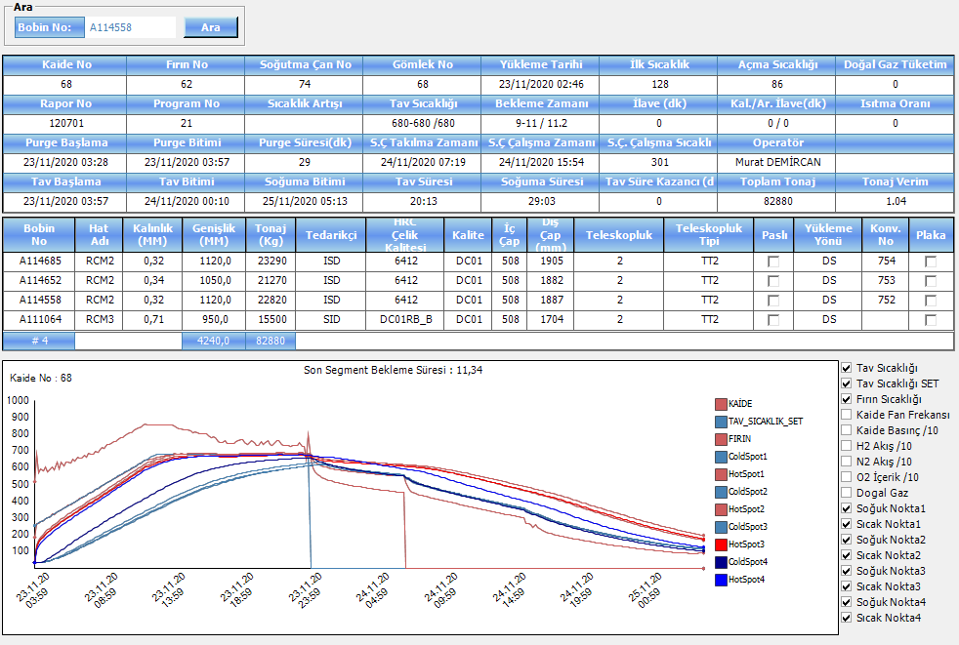
205 | 2:00 | 107 | 254 | 147 | 2:00
207 | 2:10 | 116 | 263 | 147 | 2:10
210 | 2:20 | 126 | 272 | 146 | 2:20
214 | 2:30 | 135 | 282 | 147 | 2:30
216 | 2:40 | 144 | 290 | 146 | 2:40
219 | 2:50 | 154 | 300 | 146 | 2:50
221 | 3:00 | 163 | 309 | 146 | 3:00
223 | 3:10 | 172 | 318 | 146 | 3:10
226 | 3:20 | 181 | 327 | 146 | 3:20
226 | 3:30 | 190 | 335 | 145 | 3:30
229 | 3:40 | 198 | 345 | 147 | 3:40
229 | 3:50 | 207 | 353 | 146 | 3:50
232 | 4:00 | 216 | 362 | 146 | 4:00
234 | 4:10 | 224 | 371 | 147 | 4:10
234 | 4:20 | 233 | 379 | 146 | 4:20
236 | 4:30 | 241 | 388 | 147 | 4:30
237 | 4:40 | 250 | 396 | 146 | 4:40
239 | 4:50 | 258 | 405 | 147 | 4:50
241 | 5:00 | 266 | 415 | 149 | 5:00
242 | 5:10 | 275 | 423 | 148 | 5:10
245 | 5:20 | 283 | 432 | 149 | 5:20
246 | 5:30 | 291 | 441 | 150 | 5:30
248 | 5:40 | 299 | 450 | 151 | 5:40
251 | 5:50 | 307 | 460 | 153 | 5:50
253 | 6:00 | 315 | 468 | 153 | 6:00
254 | 6:10 | 323 | 477 | 154 | 6:10
257 | 6:20 | 331 | 487 | 156 | 6:20
259 | 6:30 | 339 | 495 | 156 | 6:30
260 | 6:40 | 347 | 504 | 157 | 6:40
263 | 6:50 | 355 | 513 | 158 | 6:50
264 | 7:00 | 362 | 522 | 160 | 7:00
266 | 7:10 | 370 | 530 | 160 | 7:10
268 | 7:20 | 378 | 540 | 162 | 7:20
271 | 7:30 | 386 | 549 | 163 | 7:30
273 | 7:40 | 394 | 558 | 164 | 7:40
275 | 7:50 | 401 | 567 | 166 | 7:50
278 | 8:00 | 409 | 576 | 167 | 8:00
280 | 8:10 | 417 | 585 | 168 | 8:10
278 | 8:20 | 424 | 591 | 167 | 8:20
277 | 8:30 | 432 | 597 | 165 | 8:30
275 | 8:40 | 440 | 603 | 163 | 8:40
274 | 8:50 | 447 | 608 | 161 | 8:50
271 | 9:00 | 455 | 613 | 158 | 9:00
269 | 9:10 | 462 | 618 | 156 | 9:10
...

A117776
72 nolu kaide tav grafiği
Delta2 | TavTime2 | ColdSpot3 | HotSpot3 | Delta3 | TavTime3
0 |  | 30 | 30 | 0
25 | 0:10 | 30 | 47 | 17 | 0:10
77 | 0:20 | 31 | 84 | 53 | 0:20
108 | 0:30 | 34 | 108 | 74 | 0:30
132 | 0:40 | 41 | 128 | 87 | 0:40
147 | 0:50 | 51 | 144 | 93 | 0:50
153 | 1:00 | 62 | 153 | 91 | 1:00
164 | 1:10 | 75 | 167 | 92 | 1:10
169 | 1:20 | 87 | 176 | 89 | 1:20
176 | 1:30 | 100 | 188 | 88 | 1:30
181 | 1:40 | 112 | 199 | 87 | 1:40
184 | 1:50 | 124 | 209 | 85 | 1:50
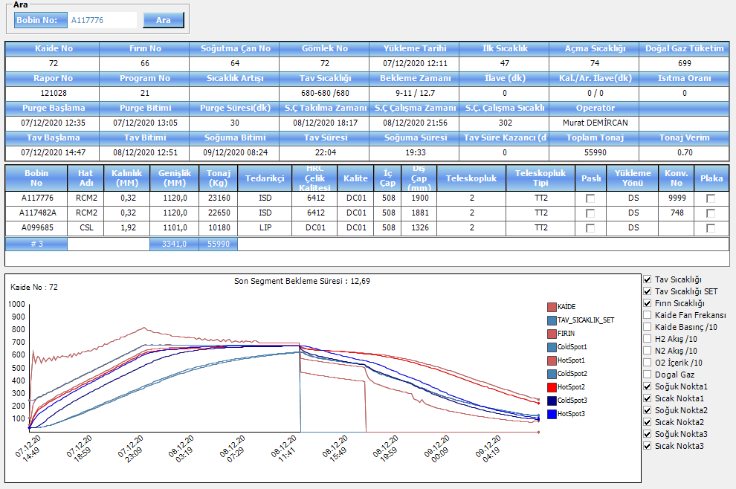
191 | 2:00 | 135 | 221 | 86 | 2:00
192 | 2:10 | 147 | 230 | 83 | 2:10
196 | 2:20 | 158 | 241 | 83 | 2:20
197 | 2:30 | 169 | 250 | 81 | 2:30
201 | 2:40 | 180 | 260 | 80 | 2:40
203 | 2:50 | 190 | 269 | 79 | 2:50
205 | 3:00 | 200 | 279 | 79 | 3:00
205 | 3:10 | 210 | 287 | 77 | 3:10
208 | 3:20 | 220 | 297 | 77 | 3:20
208 | 3:30 | 230 | 305 | 75 | 3:30
210 | 3:40 | 239 | 315 | 76 | 3:40
211 | 3:50 | 248 | 323 | 75 | 3:50
213 | 4:00 | 257 | 332 | 75 | 4:00
213 | 4:10 | 266 | 341 | 75 | 4:10
215 | 4:20 | 275 | 350 | 75 | 4:20
216 | 4:30 | 284 | 359 | 75 | 4:30
218 | 4:40 | 293 | 367 | 74 | 4:40
219 | 4:50 | 302 | 375 | 73 | 4:50
219 | 5:00 | 310 | 383 | 73 | 5:00
219 | 5:10 | 319 | 391 | 72 | 5:10
222 | 5:20 | 327 | 401 | 74 | 5:20
221 | 5:30 | 335 | 408 | 73 | 5:30
223 | 5:40 | 343 | 417 | 74 | 5:40
225 | 5:50 | 351 | 426 | 75 | 5:50
226 | 6:00 | 360 | 434 | 74 | 6:00
229 | 6:10 | 368 | 443 | 75 | 6:10
229 | 6:20 | 376 | 451 | 75 | 6:20
230 | 6:30 | 384 | 459 | 75 | 6:30
233 | 6:40 | 392 | 468 | 76 | 6:40
233 | 6:50 | 400 | 476 | 76 | 6:50
236 | 7:00 | 407 | 485 | 78 | 7:00
238 | 7:10 | 415 | 493 | 78 | 7:10
238 | 7:20 | 423 | 501 | 78 | 7:20
241 | 7:30 | 431 | 510 | 79 | 7:30
242 | 7:40 | 439 | 519 | 80 | 7:40
244 | 7:50 | 447 | 527 | 80 | 7:50
246 | 8:00 | 454 | 536 | 82 | 8:00
247 | 8:10 | 462 | 544 | 82 | 8:10
248 | 8:20 | 470 | 552 | 82 | 8:20
250 | 8:30 | 478 | 561 | 83 | 8:30
252 | 8:40 | 485 | 568 | 83 | 8:40
254 | 8:50 | 493 | 577 | 84 | 8:50
256 | 9:00 | 501 | 586 | 85 | 9:00
...

A037577
82 nolu kaide tav grafiği
Delta2 | TavTime2 | ColdSpot3 | HotSpot3 | Delta3 | TavTime3
0 |  | 50 | 50 | 0
100 | 0:10 | 50 | 147 | 97 | 0:10
159 | 0:20 | 50 | 204 | 154 | 0:20
199 | 0:30 | 51 | 245 | 194 | 0:30
231 | 0:40 | 52 | 278 | 226 | 0:40
258 | 0:50 | 55 | 306 | 251 | 0:50
279 | 1:00 | 60 | 330 | 270 | 1:00
296 | 1:10 | 65 | 352 | 287 | 1:10
310 | 1:20 | 72 | 373 | 301 | 1:20
323 | 1:30 | 80 | 392 | 312 | 1:30
332 | 1:40 | 89 | 409 | 320 | 1:40
338 | 1:50 | 99 | 424 | 325 | 1:50
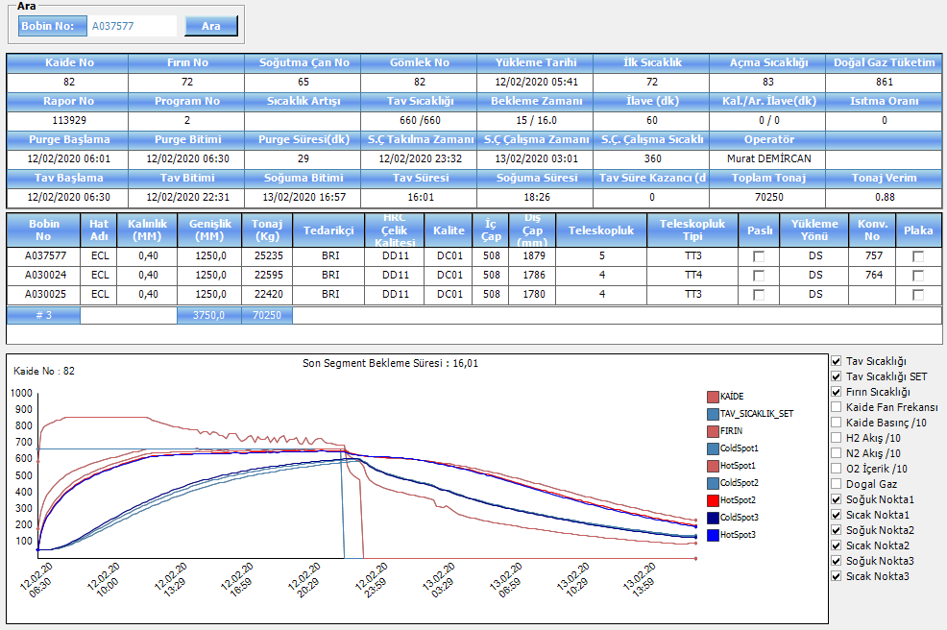
342 | 2:00 | 109 | 437 | 328 | 2:00
344 | 2:10 | 120 | 449 | 329 | 2:10
345 | 2:20 | 131 | 461 | 330 | 2:20
345 | 2:30 | 142 | 472 | 330 | 2:30
345 | 2:40 | 154 | 482 | 328 | 2:40
344 | 2:50 | 165 | 492 | 327 | 2:50
342 | 3:00 | 177 | 501 | 324 | 3:00
339 | 3:10 | 188 | 509 | 321 | 3:10
337 | 3:20 | 200 | 518 | 318 | 3:20
333 | 3:30 | 211 | 526 | 315 | 3:30
331 | 3:40 | 222 | 533 | 311 | 3:40
327 | 3:50 | 234 | 540 | 306 | 3:50
323 | 4:00 | 244 | 547 | 303 | 4:00
319 | 4:10 | 255 | 554 | 299 | 4:10
315 | 4:20 | 266 | 560 | 294 | 4:20
312 | 4:30 | 276 | 567 | 291 | 4:30
308 | 4:40 | 286 | 573 | 287 | 4:40
304 | 4:50 | 296 | 579 | 283 | 4:50
301 | 5:00 | 306 | 585 | 279 | 5:00
296 | 5:10 | 315 | 590 | 275 | 5:10
293 | 5:20 | 324 | 596 | 272 | 5:20
289 | 5:30 | 334 | 601 | 267 | 5:30
285 | 5:39 | 343 | 606 | 263 | 5:39
282 | 5:49 | 351 | 611 | 260 | 5:49
276 | 5:59 | 360 | 614 | 254 | 5:59
269 | 6:09 | 368 | 615 | 247 | 6:09
263 | 6:19 | 376 | 617 | 241 | 6:19
256 | 6:29 | 384 | 618 | 234 | 6:29
249 | 6:39 | 392 | 620 | 228 | 6:39
242 | 6:49 | 400 | 621 | 221 | 6:49
236 | 6:59 | 407 | 622 | 215 | 6:59
229 | 7:09 | 415 | 623 | 208 | 7:09
223 | 7:19 | 422 | 624 | 202 | 7:19
217 | 7:29 | 429 | 625 | 196 | 7:29
211 | 7:39 | 435 | 625 | 190 | 7:39
206 | 7:49 | 442 | 626 | 184 | 7:49
200 | 7:59 | 448 | 627 | 179 | 7:59
195 | 8:09 | 454 | 628 | 174 | 8:09
190 | 8:19 | 460 | 630 | 170 | 8:19
183 | 8:29 | 466 | 628 | 162 | 8:29
177 | 8:39 | 471 | 629 | 158 | 8:39
173 | 8:49 | 476 | 630 | 154 | 8:49
167 | 8:59 | 482 | 629 | 147 | 8:59
...

A063723
70 nolu kaide tav grafiği
Delta2 | TavTime2 | ColdSpot3 | HotSpot3 | Delta3 | TavTime3
0 |  | 50 | 50 | 0
55 | 0:10 | 50 | 109 | 59 | 0:10
103 | 0:20 | 50 | 159 | 109 | 0:20
141 | 0:30 | 50 | 200 | 150 | 0:30
172 | 0:40 | 51 | 233 | 182 | 0:40
196 | 0:50 | 53 | 261 | 208 | 0:50
217 | 1:00 | 56 | 285 | 229 | 1:00
234 | 1:10 | 61 | 306 | 245 | 1:10
247 | 1:20 | 66 | 326 | 260 | 1:20
258 | 1:30 | 72 | 344 | 272 | 1:30
268 | 1:40 | 79 | 361 | 282 | 1:40
276 | 1:50 | 86 | 377 | 291 | 1:50
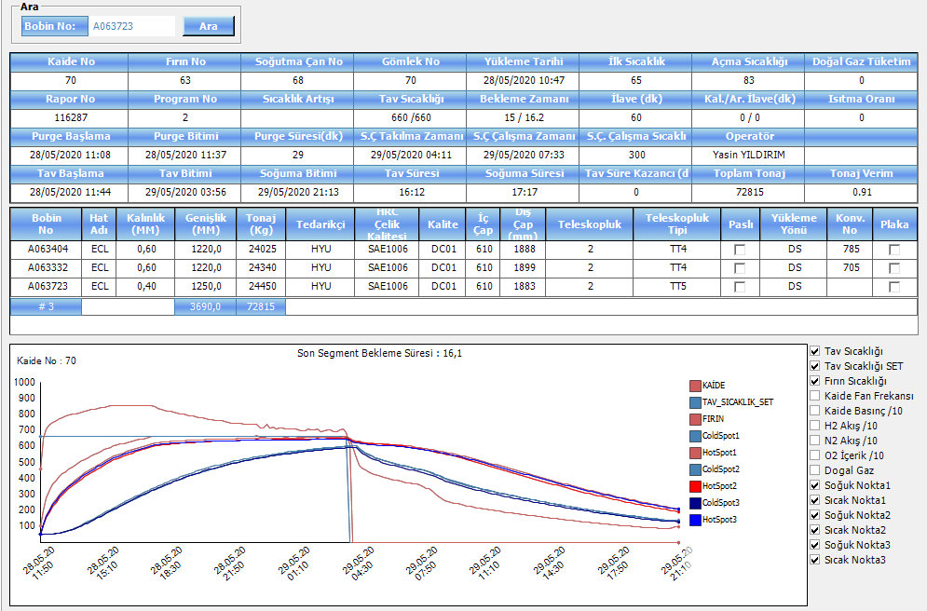
282 | 2:00 | 95 | 392 | 297 | 2:00
286 | 2:10 | 103 | 407 | 304 | 2:10
290 | 2:20 | 112 | 420 | 308 | 2:20
293 | 2:30 | 122 | 434 | 312 | 2:30
296 | 2:40 | 132 | 447 | 315 | 2:40
297 | 2:50 | 142 | 459 | 317 | 2:50
298 | 3:00 | 152 | 471 | 319 | 3:00
300 | 3:10 | 162 | 482 | 320 | 3:10
300 | 3:20 | 173 | 493 | 320 | 3:20
300 | 3:30 | 183 | 504 | 321 | 3:30
300 | 3:40 | 194 | 514 | 320 | 3:40
298 | 3:50 | 204 | 524 | 320 | 3:50
297 | 4:00 | 214 | 532 | 318 | 4:00
294 | 4:10 | 225 | 540 | 315 | 4:10
292 | 4:20 | 235 | 547 | 312 | 4:20
288 | 4:30 | 245 | 554 | 309 | 4:30
285 | 4:40 | 255 | 561 | 306 | 4:40
282 | 4:50 | 265 | 568 | 303 | 4:50
279 | 5:00 | 275 | 574 | 299 | 5:00
275 | 5:10 | 285 | 580 | 295 | 5:10
271 | 5:20 | 294 | 586 | 292 | 5:20
268 | 5:30 | 303 | 592 | 289 | 5:30
265 | 5:40 | 313 | 597 | 284 | 5:40
262 | 5:50 | 322 | 603 | 281 | 5:50
258 | 6:00 | 331 | 607 | 276 | 6:00
251 | 6:10 | 339 | 609 | 270 | 6:10
245 | 6:20 | 348 | 611 | 263 | 6:20
239 | 6:30 | 356 | 614 | 258 | 6:30
234 | 6:40 | 364 | 615 | 251 | 6:40
227 | 6:50 | 372 | 617 | 245 | 6:50
221 | 7:00 | 380 | 618 | 238 | 7:00
215 | 7:10 | 388 | 620 | 232 | 7:10
209 | 7:20 | 395 | 621 | 226 | 7:20
203 | 7:30 | 403 | 622 | 219 | 7:30
197 | 7:40 | 410 | 623 | 213 | 7:40
192 | 7:50 | 417 | 624 | 207 | 7:50
186 | 8:00 | 423 | 625 | 202 | 8:00
181 | 8:10 | 430 | 626 | 196 | 8:10
176 | 8:20 | 436 | 627 | 191 | 8:20
172 | 8:30 | 442 | 627 | 185 | 8:30
166 | 8:40 | 448 | 628 | 180 | 8:40
161 | 8:50 | 454 | 629 | 175 | 8:50
156 | 9:00 | 459 | 629 | 170 | 9:00
...

A063393
65 nolu kaide tav grafiği
Delta3 | TavTime3 | ColdSpot4 | HotSpot4 | Delta4 | TavTime4
0 |  | 50 | 50 | 0
42 | 0:10 | 50 | 87 | 37 | 0:10
100 | 0:20 | 51 | 138 | 87 | 0:20
157 | 0:30 | 53 | 190 | 137 | 0:30
195 | 0:40 | 59 | 227 | 168 | 0:40
219 | 0:50 | 69 | 252 | 183 | 0:50
236 | 1:00 | 82 | 273 | 191 | 1:00
250 | 1:10 | 96 | 292 | 196 | 1:10
260 | 1:20 | 112 | 308 | 196 | 1:20
268 | 1:30 | 129 | 323 | 194 | 1:30
274 | 1:40 | 145 | 336 | 191 | 1:40
279 | 1:50 | 161 | 349 | 188 | 1:50
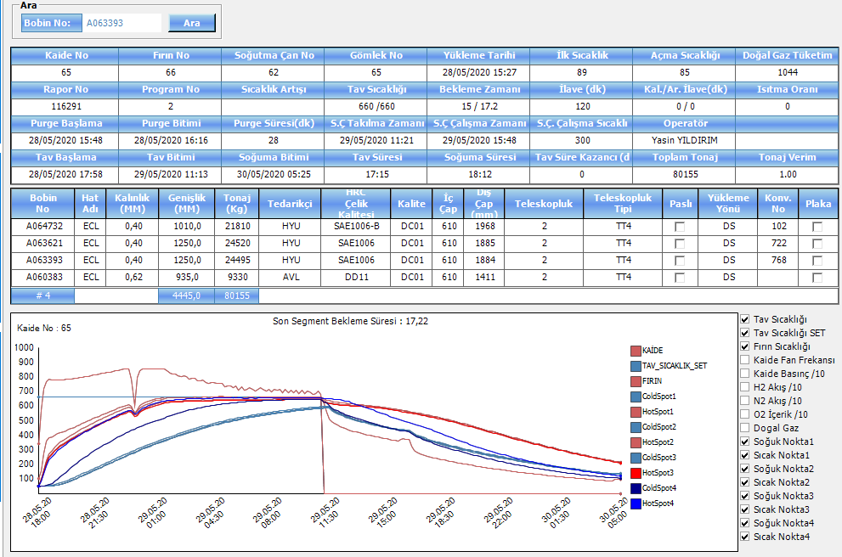
283 | 2:00 | 177 | 361 | 184 | 2:00
285 | 2:10 | 192 | 373 | 181 | 2:10
288 | 2:20 | 207 | 385 | 178 | 2:20
290 | 2:30 | 221 | 397 | 176 | 2:30
292 | 2:40 | 235 | 408 | 173 | 2:40
294 | 2:50 | 248 | 419 | 171 | 2:50
295 | 3:00 | 261 | 430 | 169 | 3:00
297 | 3:10 | 274 | 441 | 167 | 3:10
297 | 3:20 | 286 | 451 | 165 | 3:20
298 | 3:30 | 298 | 461 | 163 | 3:30
298 | 3:40 | 310 | 471 | 161 | 3:40
298 | 3:50 | 321 | 481 | 160 | 3:50
299 | 4:00 | 332 | 491 | 159 | 4:00
299 | 4:10 | 343 | 500 | 157 | 4:10
299 | 4:20 | 354 | 510 | 156 | 4:20
299 | 4:30 | 364 | 519 | 155 | 4:30
299 | 4:40 | 375 | 528 | 153 | 4:40
298 | 4:50 | 385 | 537 | 152 | 4:50
299 | 5:00 | 395 | 545 | 150 | 5:00
299 | 5:10 | 404 | 554 | 150 | 5:10
297 | 5:20 | 414 | 562 | 148 | 5:20
296 | 5:30 | 423 | 569 | 146 | 5:30
284 | 5:40 | 432 | 567 | 135 | 5:40
249 | 5:50 | 441 | 545 | 104 | 5:50
247 | 6:00 | 450 | 551 | 101 | 6:00
258 | 6:10 | 458 | 568 | 110 | 6:10
264 | 6:20 | 465 | 582 | 117 | 6:20
267 | 6:30 | 471 | 591 | 120 | 6:30
267 | 6:40 | 478 | 599 | 121 | 6:40
267 | 6:50 | 484 | 606 | 122 | 6:50
266 | 7:00 | 491 | 612 | 121 | 7:00
265 | 7:10 | 498 | 618 | 120 | 7:10
263 | 7:20 | 504 | 623 | 119 | 7:20
261 | 7:30 | 511 | 628 | 117 | 7:30
260 | 7:40 | 517 | 633 | 116 | 7:40
256 | 7:50 | 524 | 637 | 113 | 7:50
250 | 8:00 | 530 | 638 | 108 | 8:00
244 | 8:10 | 537 | 639 | 102 | 8:10
239 | 8:20 | 543 | 641 | 98 | 8:20
234 | 8:30 | 549 | 642 | 93 | 8:30
228 | 8:40 | 554 | 643 | 89 | 8:40
223 | 8:50 | 560 | 645 | 85 | 8:50
218 | 9:00 | 565 | 647 | 82 | 9:00
...

A025201
65 nolu kaide tav grafiği
Delta2 | TavTime2 | ColdSpot3 | HotSpot3 | Delta3 | TavTime3
0 |  | 30 | 30 | 0
77 | 0:10 | 30 | 105 | 75 | 0:10
98 | 0:20 | 30 | 126 | 96 | 0:20
104 | 0:30 | 31 | 132 | 101 | 0:30
116 | 0:40 | 34 | 146 | 112 | 0:40
126 | 0:50 | 38 | 160 | 122 | 0:50
131 | 1:00 | 43 | 169 | 126 | 1:00
138 | 1:10 | 49 | 181 | 132 | 1:10
143 | 1:20 | 56 | 192 | 136 | 1:20
145 | 1:30 | 63 | 201 | 138 | 1:30
142 | 1:40 | 70 | 205 | 135 | 1:40
147 | 1:50 | 78 | 217 | 139 | 1:50
149 | 2:00 | 86 | 228 | 142 | 2:00
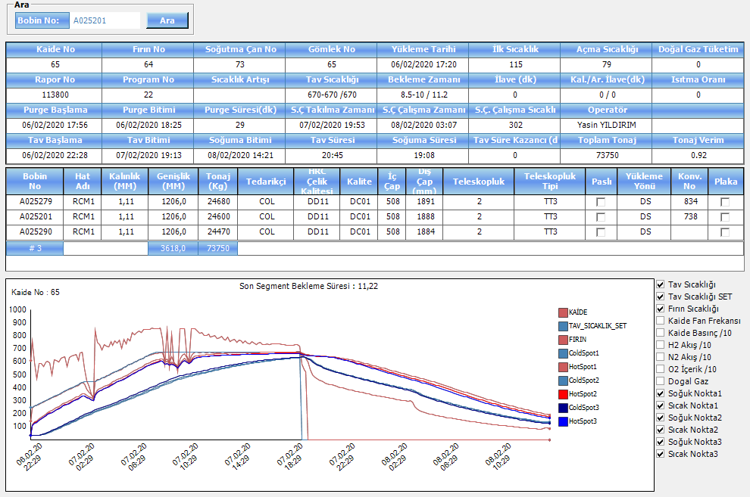
151 | 2:10 | 94 | 237 | 143 | 2:10
152 | 2:20 | 102 | 246 | 144 | 2:20
156 | 2:30 | 110 | 256 | 146 | 2:30
157 | 2:40 | 119 | 266 | 147 | 2:40
153 | 2:50 | 127 | 270 | 143 | 2:50
154 | 3:00 | 135 | 279 | 144 | 3:00
156 | 3:10 | 143 | 289 | 146 | 3:10
158 | 3:20 | 151 | 299 | 148 | 3:20
159 | 3:30 | 159 | 308 | 149 | 3:30
157 | 3:40 | 168 | 313 | 145 | 3:40
159 | 3:50 | 176 | 324 | 148 | 3:50
162 | 4:00 | 184 | 334 | 150 | 4:00
153 | 4:10 | 192 | 332 | 140 | 4:10
136 | 4:20 | 200 | 324 | 124 | 4:20
119 | 4:30 | 207 | 315 | 108 | 4:30
104 | 4:40 | 215 | 308 | 93 | 4:40
90 | 4:50 | 222 | 302 | 80 | 4:50
122 | 5:00 | 229 | 339 | 110 | 5:00
141 | 5:10 | 235 | 364 | 129 | 5:10
146 | 5:20 | 241 | 375 | 134 | 5:20
147 | 5:30 | 246 | 381 | 135 | 5:30
151 | 5:40 | 252 | 390 | 138 | 5:40
154 | 5:50 | 258 | 400 | 142 | 5:50
155 | 6:00 | 264 | 406 | 142 | 6:00
160 | 6:10 | 270 | 417 | 147 | 6:10
160 | 6:20 | 277 | 424 | 147 | 6:20
164 | 6:30 | 284 | 434 | 150 | 6:30
165 | 6:40 | 290 | 442 | 152 | 6:40
168 | 6:50 | 297 | 451 | 154 | 6:50
164 | 7:00 | 304 | 454 | 150 | 7:00
168 | 7:10 | 311 | 465 | 154 | 7:10
168 | 7:20 | 318 | 472 | 154 | 7:20
170 | 7:30 | 325 | 482 | 157 | 7:30
172 | 7:40 | 332 | 489 | 157 | 7:40
177 | 7:50 | 339 | 501 | 162 | 7:50
180 | 8:00 | 346 | 511 | 165 | 8:00
182 | 8:10 | 353 | 520 | 167 | 8:10
186 | 8:20 | 361 | 530 | 169 | 8:20
186 | 8:30 | 368 | 537 | 169 | 8:30
189 | 8:40 | 375 | 547 | 172 | 8:40
191 | 8:50 | 382 | 556 | 174 | 8:50
192 | 9:00 | 389 | 564 | 175 | 9:00
192 | 9:10 | 396 | 571 | 175 | 9:10
...

A059019
89 nolu kaide tav grafiği
Delta2 | TavTime2 | ColdSpot3 | HotSpot3 | Delta3 | TavTime3
0 |  | 30 | 30 | 0
70 | 0:10 | 30 | 98 | 68 | 0:10
96 | 0:20 | 30 | 124 | 94 | 0:20
111 | 0:30 | 31 | 140 | 109 | 0:30
124 | 0:40 | 34 | 154 | 120 | 0:40
132 | 0:50 | 37 | 166 | 129 | 0:50
140 | 1:00 | 43 | 178 | 135 | 1:00
143 | 1:10 | 49 | 187 | 138 | 1:10
149 | 1:20 | 56 | 199 | 143 | 1:20
150 | 1:30 | 63 | 207 | 144 | 1:30
153 | 1:40 | 71 | 218 | 147 | 1:40
155 | 1:50 | 79 | 227 | 148 | 1:50
156 | 2:00 | 87 | 237 | 150 | 2:00
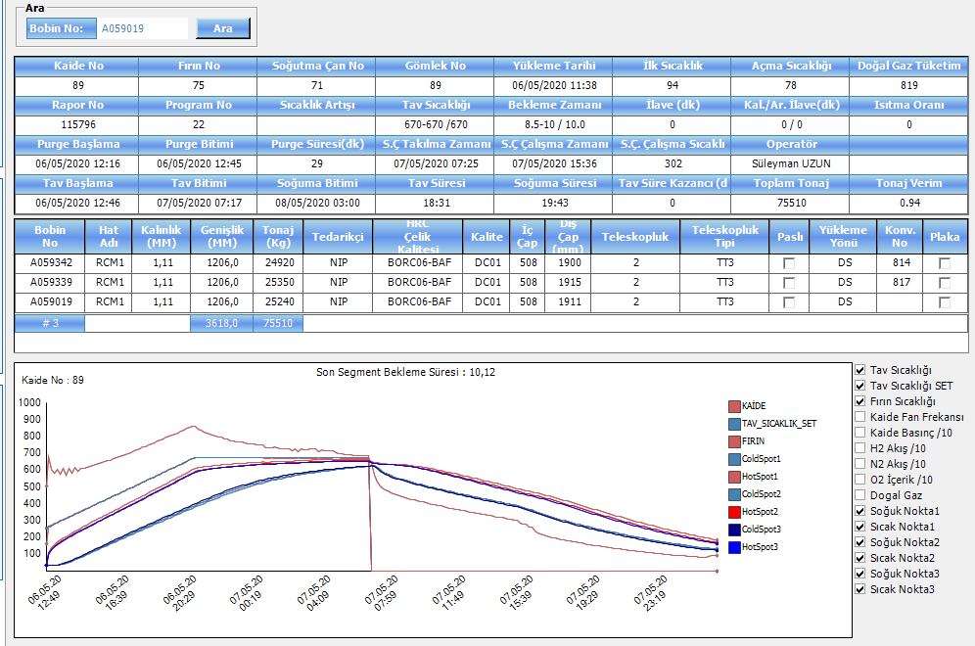
157 | 2:10 | 95 | 246 | 151 | 2:10
158 | 2:20 | 103 | 255 | 152 | 2:20
159 | 2:30 | 112 | 264 | 152 | 2:30
159 | 2:40 | 120 | 273 | 153 | 2:40
160 | 2:50 | 129 | 282 | 153 | 2:50
161 | 3:00 | 137 | 291 | 154 | 3:00
162 | 3:10 | 145 | 300 | 155 | 3:10
163 | 3:20 | 154 | 309 | 155 | 3:20
164 | 3:30 | 162 | 318 | 156 | 3:30
165 | 3:40 | 170 | 326 | 156 | 3:40
165 | 3:50 | 178 | 335 | 157 | 3:50
166 | 4:00 | 187 | 344 | 157 | 4:00
167 | 4:10 | 195 | 353 | 158 | 4:10
168 | 4:20 | 203 | 362 | 159 | 4:20
169 | 4:30 | 211 | 370 | 159 | 4:30
170 | 4:40 | 219 | 379 | 160 | 4:40
171 | 4:50 | 227 | 388 | 161 | 4:50
172 | 5:00 | 235 | 397 | 162 | 5:00
173 | 5:10 | 243 | 406 | 163 | 5:10
174 | 5:20 | 251 | 415 | 164 | 5:20
176 | 5:30 | 259 | 424 | 165 | 5:30
177 | 5:40 | 267 | 433 | 166 | 5:40
178 | 5:50 | 275 | 442 | 167 | 5:50
179 | 6:00 | 283 | 451 | 168 | 6:00
181 | 6:10 | 290 | 460 | 170 | 6:10
182 | 6:20 | 298 | 469 | 171 | 6:20
183 | 6:30 | 306 | 478 | 172 | 6:30
185 | 6:40 | 314 | 487 | 173 | 6:40
186 | 6:50 | 321 | 496 | 175 | 6:50
187 | 7:00 | 329 | 505 | 176 | 7:00
189 | 7:10 | 337 | 514 | 177 | 7:10
190 | 7:20 | 345 | 523 | 178 | 7:20
192 | 7:30 | 352 | 532 | 180 | 7:30
193 | 7:40 | 360 | 541 | 181 | 7:40
195 | 7:50 | 368 | 550 | 182 | 7:50
197 | 8:00 | 375 | 559 | 184 | 8:00
199 | 8:10 | 383 | 569 | 186 | 8:10
200 | 8:20 | 391 | 578 | 187 | 8:20
201 | 8:30 | 398 | 586 | 188 | 8:30
198 | 8:40 | 406 | 590 | 184 | 8:40
194 | 8:50 | 413 | 594 | 181 | 8:50
189 | 9:00 | 421 | 597 | 176 | 9:00
185 | 9:10 | 428 | 600 | 172 | 9:10
...

A068072
89 nolu kaide tav grafiği
Delta2 | TavTime2 | ColdSpot3 | HotSpot3 | Delta3 | TavTime3
0 |  | 30 | 30 | 0
61 | 0:10 | 30 | 89 | 59 | 0:10
91 | 0:20 | 30 | 119 | 89 | 0:20
108 | 0:30 | 31 | 136 | 105 | 0:30
120 | 0:40 | 35 | 151 | 116 | 0:40
127 | 0:50 | 40 | 163 | 123 | 0:50
123 | 1:00 | 46 | 165 | 119 | 1:00
111 | 1:10 | 54 | 161 | 107 | 1:10
99 | 1:20 | 62 | 157 | 95 | 1:20
87 | 1:30 | 70 | 153 | 83 | 1:30
77 | 1:40 | 78 | 152 | 74 | 1:40
69 | 1:50 | 85 | 150 | 65 | 1:50
62 | 2:00 | 92 | 149 | 57 | 2:00
55 | 2:10 | 97 | 149 | 52 | 2:10
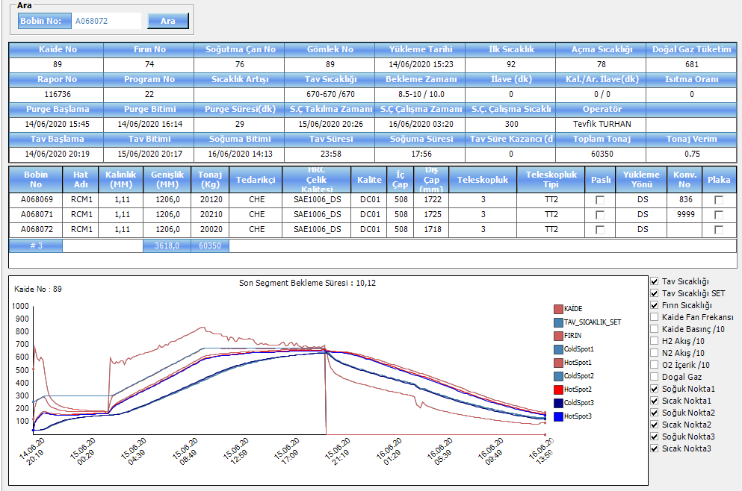
49 | 2:20 | 102 | 149 | 47 | 2:20
45 | 2:30 | 107 | 148 | 41 | 2:30
40 | 2:40 | 111 | 149 | 38 | 2:40
37 | 2:50 | 115 | 149 | 34 | 2:50
34 | 3:00 | 118 | 149 | 31 | 3:00
31 | 3:10 | 121 | 150 | 29 | 3:10
29 | 3:20 | 124 | 150 | 26 | 3:20
28 | 3:30 | 126 | 151 | 25 | 3:30
25 | 3:40 | 128 | 151 | 23 | 3:40
24 | 3:50 | 130 | 152 | 22 | 3:50
23 | 4:00 | 132 | 153 | 21 | 4:00
21 | 4:10 | 134 | 153 | 19 | 4:10
20 | 4:20 | 136 | 154 | 18 | 4:20
20 | 4:30 | 137 | 155 | 18 | 4:30
19 | 4:40 | 139 | 155 | 16 | 4:40
17 | 4:50 | 140 | 156 | 16 | 4:50
17 | 5:00 | 141 | 156 | 15 | 5:00
17 | 5:10 | 143 | 157 | 14 | 5:10
15 | 5:20 | 144 | 158 | 14 | 5:20
15 | 5:30 | 145 | 158 | 13 | 5:30
15 | 5:40 | 146 | 159 | 13 | 5:40
14 | 5:50 | 147 | 159 | 12 | 5:50
13 | 6:00 | 148 | 160 | 12 | 6:00
12 | 6:10 | 149 | 160 | 11 | 6:10
33 | 6:20 | 150 | 182 | 32 | 6:20
55 | 6:30 | 151 | 204 | 53 | 6:30
67 | 6:40 | 152 | 217 | 65 | 6:40
77 | 6:50 | 154 | 228 | 74 | 6:50
83 | 7:00 | 156 | 237 | 81 | 7:00
89 | 7:10 | 160 | 247 | 87 | 7:10
94 | 7:20 | 164 | 255 | 91 | 7:20
96 | 7:30 | 169 | 262 | 93 | 7:30
100 | 7:40 | 174 | 270 | 96 | 7:40
103 | 7:50 | 180 | 280 | 100 | 7:50
105 | 8:00 | 186 | 287 | 101 | 8:00
107 | 8:10 | 192 | 295 | 103 | 8:10
110 | 8:20 | 198 | 304 | 106 | 8:20
112 | 8:30 | 204 | 312 | 108 | 8:30
114 | 8:40 | 211 | 320 | 109 | 8:40
115 | 8:50 | 217 | 328 | 111 | 8:50
117 | 9:00 | 224 | 335 | 111 | 9:00
119 | 9:10 | 230 | 344 | 114 | 9:10
120 | 9:20 | 237 | 352 | 115 | 9:20
...

A116307
81 nolu kaide tav grafiği
Delta2 | TavTime2 | ColdSpot3 | HotSpot3 | Delta3 | TavTime3
0 |  | 30 | 30 | 0
62 | 0:10 | 30 | 90 | 60 | 0:10
93 | 0:20 | 30 | 121 | 91 | 0:20
116 | 0:30 | 31 | 144 | 113 | 0:30
129 | 0:40 | 33 | 158 | 125 | 0:40
130 | 0:50 | 37 | 163 | 126 | 0:50
144 | 1:00 | 41 | 181 | 140 | 1:00
155 | 1:10 | 47 | 197 | 150 | 1:10
138 | 1:20 | 54 | 186 | 132 | 1:20
117 | 1:30 | 61 | 174 | 113 | 1:30
101 | 1:40 | 68 | 164 | 96 | 1:40
87 | 1:50 | 76 | 158 | 82 | 1:50
75 | 2:00 | 82 | 153 | 71 | 2:00
65 | 2:10 | 89 | 149 | 60 | 2:10
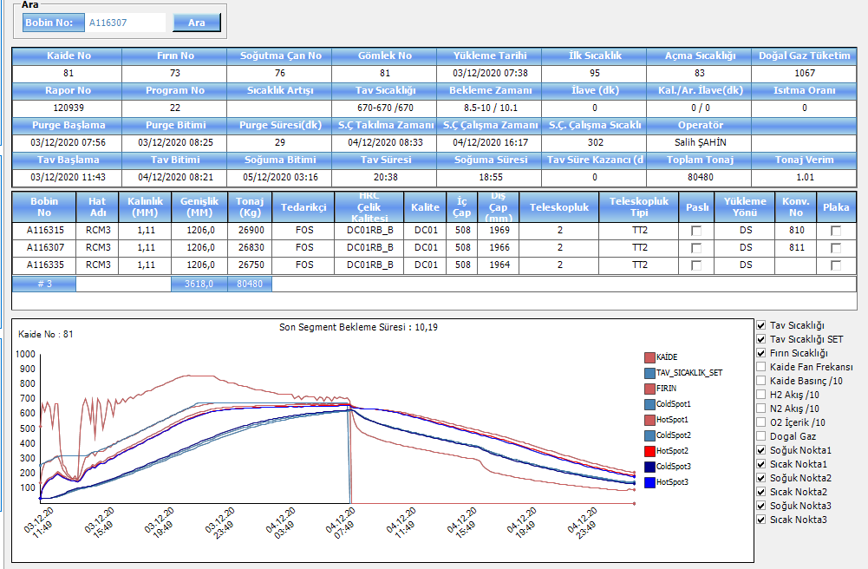
57 | 2:20 | 94 | 147 | 53 | 2:20
50 | 2:30 | 99 | 144 | 45 | 2:30
54 | 2:40 | 103 | 153 | 50 | 2:40
78 | 2:50 | 107 | 179 | 72 | 2:50
103 | 3:00 | 110 | 208 | 98 | 3:00
114 | 3:10 | 113 | 221 | 108 | 3:10
117 | 3:20 | 116 | 227 | 111 | 3:20
129 | 3:30 | 120 | 243 | 123 | 3:30
119 | 3:40 | 125 | 238 | 113 | 3:40
130 | 3:50 | 130 | 254 | 124 | 3:50
138 | 4:00 | 135 | 266 | 131 | 4:00
129 | 4:10 | 141 | 264 | 123 | 4:10
129 | 4:20 | 147 | 270 | 123 | 4:20
140 | 4:30 | 153 | 286 | 133 | 4:30
143 | 4:40 | 160 | 296 | 136 | 4:40
141 | 4:50 | 166 | 300 | 134 | 4:50
147 | 5:00 | 172 | 312 | 140 | 5:00
151 | 5:10 | 179 | 322 | 143 | 5:10
151 | 5:20 | 186 | 329 | 143 | 5:20
156 | 5:30 | 192 | 339 | 147 | 5:30
156 | 5:40 | 199 | 347 | 148 | 5:40
158 | 5:50 | 206 | 355 | 149 | 5:50
161 | 6:00 | 213 | 365 | 152 | 6:00
162 | 6:10 | 220 | 372 | 152 | 6:10
164 | 6:20 | 227 | 381 | 154 | 6:20
167 | 6:30 | 234 | 390 | 156 | 6:30
168 | 6:40 | 241 | 398 | 157 | 6:40
169 | 6:50 | 248 | 406 | 158 | 6:50
171 | 7:00 | 255 | 416 | 161 | 7:00
173 | 7:10 | 262 | 425 | 163 | 7:10
174 | 7:20 | 269 | 433 | 164 | 7:20
176 | 7:30 | 276 | 441 | 165 | 7:30
179 | 7:40 | 283 | 450 | 167 | 7:40
181 | 7:50 | 291 | 459 | 168 | 7:50
182 | 8:00 | 298 | 468 | 170 | 8:00
184 | 8:10 | 305 | 477 | 172 | 8:10
186 | 8:20 | 312 | 486 | 174 | 8:20
188 | 8:30 | 319 | 494 | 175 | 8:30
190 | 8:40 | 326 | 503 | 177 | 8:40
192 | 8:50 | 334 | 512 | 178 | 8:50
194 | 9:00 | 341 | 521 | 180 | 9:00
196 | 9:10 | 348 | 530 | 182 | 9:10
197 | 9:20 | 355 | 539 | 184 | 9:20
...

